P0 PREPERATION FOR SWICH
Step # | Start Date | Estimated Start Time | Estimated End Time | Duration | System | Activity | Status | Responsibility | Comments
 |  |  |  |  | BUSDEPHA | Apply or Verify vendor software license keys as follows: ( Turn off MIMIX replication if needed for some products due to file lock on BUSDEPHA )
 |  |  |  |  |  | ROBOT SCHEDULE
 |  |  |  |  |  | · ADDLIBLE ROBOTLIB
 |  |  |  |  |  | · CALL RBT240
 |  |  |  |  |  | · Press F11 to cut/paste the license code in the License Code field and press Enter to save the license keys.
 |  |  |  |  |  | ZUVD184EE7C94W5X63KWY6YW1AV6L03S68BZ6WYF+ZUJ59BCUXKZNE9BRVDGS6XGEB3G*FHGXAG | Completed - not replicated

 |  |  |  |  |  | ROBOT ALERT
 |  |  |  |  |  | · ADDLIBLE RBTALRLIB
 |  |  |  |  |  | · CALL RBA250
 |  |  |  |  |  | · Press F11 to cut/paste the license code in the License Code field for appropriate lpar as below and press Enter to save the license keys
 |  |  |  |  |  | NCSA393A44WEAW0IQKUDVQV+AV+Q7Q7EQSF0QNSFH9N6AULG67SRMGUIYRH9WVJ9QFE9FNHC3X9 | Completed - not replicated

 |  |  |  |  |  | ROBOT CONSOLE
 |  |  |  |  |  | · ADDLIBLE RBTCONLIB
 |  |  |  |  |  | · CALL RBC245
 |  |  |  |  |  | · Press F11 to cut/paste the license code in the License Code field for appropriate lpar as below and press Enter to save the license keys
 |  |  |  |  |  | ZKM6589E90SHII2P8B0EQ8Q4G0T8QBG38ZY88EEP7IDWGN4X1SD7HAN5FZ0F6TSFAK3F+23KSKF | Completed - not replicated

 |  |  |  |  |  | IMAIL
 |  |  |  |  |  | · These codes are for IMAIL30 product and same code were applied for IMAIL product as well.
 |  |  |  |  |  | · ADDLIBLE IMAIL ( for BUSDEP and BUSDPHA )
 |  |  |  |  |  | · ADDLIBLE IMAIL30 ( only on MAR4DEV1 )
 |  |  |  |  |  | · Type REGISTER and press Enter
 |  |  |  |  |  | · From the Module Registration Screen, Cut Paste keys for IMAIL and IMAIL30 products on appropriate lpars as follows:
 |  |  |  |  |  | · Press F10 to update
 |  |  |  |  |  | IMAIL: 3Z;18XgCXgG1Pigp6GG7CC1P07pxgP;X7Vg3CT29CCTc | Completed - not replicated
 |  |  |  |  |  | IMAIL30: 3Z;18XgCXgG1Pigp6GG7CC1P07pxgP;X7Vg3CT29CCTc | Completed - not replicated

 |  |  |  |  |  | DBU11
 |  |  |  |  |  | · ADDLIBLE DBU11
 |  |  |  |  |  | · Type DBUSEC and copy and paste the bolded key below.
 |  |  |  |  |  | · Press Enter
 |  |  |  |  |  | 1909F0 DD8A29 2C7301 5103 | Completed - not replicated

 |  |  |  |  |  | IMPLEMENTOR
 |  |  |  |  |  | · ADDLIBLE IMPRCV
 |  |  |  |  |  | · Cut Past keys as follows for appropriate lpar
 |  |  |  |  |  | · Cut and past this entire line from command line
 |  |  |  |  |  | RESET SECSTR(00062900 70900400 04804102 60669999 64895395 19900034) LIB(IMPRCV) | Completed, Can not view the keys but says *SAME

 |  |  |  |  |  | MARKMAGIC Ver 10
 |  |  |  |  |  | · Sign on as QSECOFR
 |  |  |  |  |  | · Enter command MRKMAG100/SETMMPRM
 |  |  |  |  |  | · Press F8 to enter key information
 |  |  |  |  |  | BUSDEPHA
 |  |  |  |  |  | *PERM RUN Labels Prod: MM100 Mod: 42A S/N: 7888CD0 Proc: P20
 |  |  |  |  |  | Exp 99/99/99 LPAR: 3 Users: 999999 Ptrs: 999999 Key: C4C80 B5CD2 F5426 4C501 | Completed - not replicated
 |  |  |  |  |  | *PERM Opt-PDF Prod: MM100 Mod: 42A S/N: 7888CD0 Proc: P20
 |  |  |  |  |  | Exp 99/99/99 LPAR: 3 Users: 999999 Ptrs: 999999 Key: D6968 7222B 68BF4 79501 | Completed - not replicated

 |  |  |  |  |  | OPENTEXT
 |  |  |  |  |  | · ADDLIBLE ZMODLIB10
 |  |  |  |  |  | · Type setzmlic copy and paste your license codes
 |  |  |  |  |  | nuBridges EDIIP . . . . . . . . . . . . 9999 Jx/3/zIktLwI | Completed. does not display the key but says PERM
 |  |  |  |  |  | nuBridges HTTP Client . . . . . . . . . 9999 AADz/+lbCXcM | Completed. does not display the key but says PERM

 |  |  |  |  |  | GENTRAN
 |  |  |  |  |  | · MAR4DEV1 keys were used on BUSDEPHA box due to it is serial number-based keys
 |  |  |  |  |  | · ADDLIBLE G3X5PGM
 |  |  |  |  |  | · ADDLIBLE G3X5DTA
 |  |  |  |  |  | · Type EXTEND and F4 prompt and input the following
 |  |  |  |  |  | Extension Code for your Product
 |  |  |  |  |  | Extension Code . . . . . . . . . . 8 49 99C AD 99878920 | Completed. Can not validate keys due to blank fields, applied HA keys. Call vendor to display keys
 |  |  |  |  |  | For FTP enter ACTFTP and F4 prompt and input the following Activation Code
 |  |  |  |  |  | Activation Code. . . . . . . . . . 7 990 989D A988C9 42 | Completed. Can not validate keys due to blank fields, applied HA keys. Call vendor to display keys

 |  |  |  |  |  | TAATOOLS
 |  |  |  |  |  | · MAR4DEV1 keys were used on BUSDEPHA box due to it is serial number-based keys
 |  |  |  |  |  | · ADDLIBLE TAATOOL
 |  |  |  |  |  | · Type CHGTAAKEY and press Enter | Completed.Not Replicated
 |  |  |  |  |  | · The key information should be entered as: | Address: Staples were not changed from BUSDEP. Busdep has Staples
 |  |  |  |  |  | Key value 59 1E 44 79 63 55 7A 43 5D 9D A5 FE 90 B7 0D 94 15 9B BA 1F 76 00 D4 E6 29 2B 82 D1 56 34 | Can not validate keys due to blank fields, applied HA keys, call vendor to display keys
 |  |  |  |  |  | Position 01 02 03 04 05 06 07 08 09 10 11 12 13 14 15 16 17 18 19 20 21 22 23 24 25 26 27 28 29 30 | Can not validate keys due to blank fields, applied HA keys, call vendor to display keys

 |  |  |  |  |  | PSAudit and PSSecure
 |  |  |  |  |  | · Sign on as QSECOFR.
 |  |  |  |  |  | · Addlible PSCOMMON
 |  |  |  |  |  | · PSMENU
 |  |  |  |  |  | · Take option 80 Enter Access Codes
 |  |  |  |  |  | · Enter below PERM Keys Provided by Tony from Micro Foucs
 |  |  |  |  |  | EWEPQ RWEPW TWEPE 8DB8C 03DS8 PPCPW | Completed. Not replicated, Correct HA Keys applied, only shows CPU updated and no errors

 |  |  |  |  |  | PATRICK TOWNSEND
 |  |  |  |  |  | · ADDLIBLE ALLFTM100
 |  |  |  |  |  | · GO AMMAIN
 |  |  |  |  |  | · Take Option 1 : Installation
 |  |  |  |  |  | · Take Option 2: Enter FTP Manager perm code AND Take Option 4: Enter PGP Option perm code
 |  |  |  |  |  | · Cut Paste keys as follows for appropriate menu option and lpar, Press Enter to save the keys.
 |  |  |  |  |  | FTP Manager Code: 3A64BDB728574DA41D9A0BB7F1B73216 | Completed. Not replicated.
 |  |  |  |  |  | PGP Option Code: 0F65A93535EE7E2B41ED1709D505D339 | Completed. Not replicated.
 |  |  |  |  |  | PGP C9 Keys
 |  |  |  |  |  | Download the PGP C9 Files from email sent by Kris for BUSDEPHA on 2020/12/15 (BUSDEPHA TSPGP_License - 7888CD0.003.txt) | Upload this PGP license file to BUSDEPHA in /PGM IFS folder
 |  |  |  |  |  | FTP the file to the /PGP on the IFS from C: drive location where PGP C9 file is downloaded.
 |  |  |  |  |  | Start-> Run->FTP BUSDEPHA
 |  |  |  |  |  | USERID (your user ID) | BUSDEPHA key file should look as below
 |  |  |  |  |  | Password (your password) | Browse : /pgp/TSPGP_License.txt
 |  |  |  |  |  | BINARY | Record : 1 of 2 by 18 Column : 1 132 by 131
 |  |  |  |  |  | cd /PGP | Control :
 |  |  |  |  |  | lcd c:\
 |  |  |  |  |  | put TSPGP_License.txt | ....+....1....+....2....+....3....+....4....+....5....+....6....+....7....+....8....+....9....+....0....+....1....+....2....+....3.
 |  |  |  |  |  | quit | ************Beginning of data**************
 |  |  |  |  |  | · Go to the main menu: | 2L7sU6ReTz06QcUqPtXAbCb5RC3DIYZ9vp8dBFg6yQIQfJ4+UP13eB+fyi0r46LHUNUl0Pqu2x5WA/K+gKYf5anNxfZ3xZpizPCAJQWrZlJdDfQ7mx5vd3f7JVtxpnKHUNUl
 |  |  |  |  |  | · ADDLIBLE ALLFTM100 | 0Pqu2x5WA/K+gKYf5fJwjCJtk8x+birHw/yciPia4fihYpoHkDO2JbYx72I4SesB4/3o6UfK4EAxlZzFhpJI83q4VL8db8nEssePAqE=
 |  |  |  |  |  | · GO AMMAIN | ************End of Data********************
 |  |  |  |  |  | · Option 1 for installation
 |  |  |  |  |  | · Option 12 to install PGP Command line 9 license
 |  |  |  |  |  | · Make the following changes:
 |  |  |  |  |  | PGP License File: /pgp/TSPGP_License.txt | Can not validate due to blank screen |  | HA keys was FTPed to /PGP folder IFS folder
 |  |  |  |  |  | (If you receive an error message when trying to install the license, try pressing F10 after the license file.) | Completed. Not replicated
 |  |  |  |  |  | Customer Name: See Below
 |  |  |  |  |  | Email: See Below

 |  |  |  |  |  | (Please reference the above screenshot to verify the customer name and email. This is case-sensitive and must be entered exactly as in the screenshot.)
 |  |  |  |  |  | Press Enter
 |  |  |  |  |  | It will say PGP License installed at the command line.

 |  |  |  |  | BUSDEP | Check that BUSDEPHA has the matching HOST Table Entries as BUSDEP. MIDRANGE to replicate QUSRSYS/QATOCHOST. |  | MIDRANGE

 |  |  |  |  | BUSDEP | Check that BUSDEPHA has the matching WRKDIRE entries as BUSDEP

 |  |  |  |  | BUSDEP | Capture all ROBOT Scheduler jobs list using ROBOT GUI as follows
 |  |  |  |  |  | Click on RBT Scheduler 13 GUI Icon on desktop
 |  |  |  |  |  | From the top menu, click on Job Schedule List (Icon in Red color just above the name column )
 |  |  |  |  |  | Right click on one of job displayed
 |  |  |  |  |  | From the Drop menu, select Select All to highlight all jobs in Yelllow color
 |  |  |  |  |  | Right Click again on highlighted job and select Copy to Clipboard
 |  |  |  |  |  | Select Yes for Include the Header screen pop up
 |  |  |  |  |  | All records will be copied to Clipboard and ready to be pasted in Excel
 |  |  |  |  |  | Paste all records in this excel at the bottom
 |  |  |  |  |  | (See the list at bottom on this Excel)
 |  |  |  |  | BUSDEP | Run a query SECMANISH/RBTOVRRIDE to to create an output file called RBTOVRRIDE |  | This lis contains all jobs that do not have any override code and will be used to put the job status from HOLD to RELEASE in tab P1 BUSDEPHA GO LIVE
 |  |  |  |  |  | (See the tab ROBOT job with no override )
 |  |  |  |  | BUSDEP | Capture all Patrick Townsend Active Jobs listing running these SQL statements |  | This list contains only ACTIVE PT Records
 |  |  |  |  | FTP Definitions | SELECT * FROM allftm100/anftpd WHERE fdstat='1' ORDER BY fdname
 |  |  |  |  | Scan DIR | SELECT DRNAME, DRDESC, DRSTAT FROM allftm100/anDIRS WHERE drstat='1' ORDER BY drname
 |  |  |  |  | Auto Scan | SELECT * FROM allftm100/anscan WHERE scstat='1' ORDER BY scname
 |  |  |  |  |  | Update SEMANISH/QSQLSRC(DRUPDPTSTS) member with only active PT records using this list created. |  | This SECMANISH/QSQLSRC(DRUPDPTSTS) meber contains SQL statements that will be run using SECMANISH/QCLSRC(DRUPDPTSTS) in P1 BUSDEPHA GO LIVE tab
 |  |  |  |  |  | (See the list at bottom of this Excel)

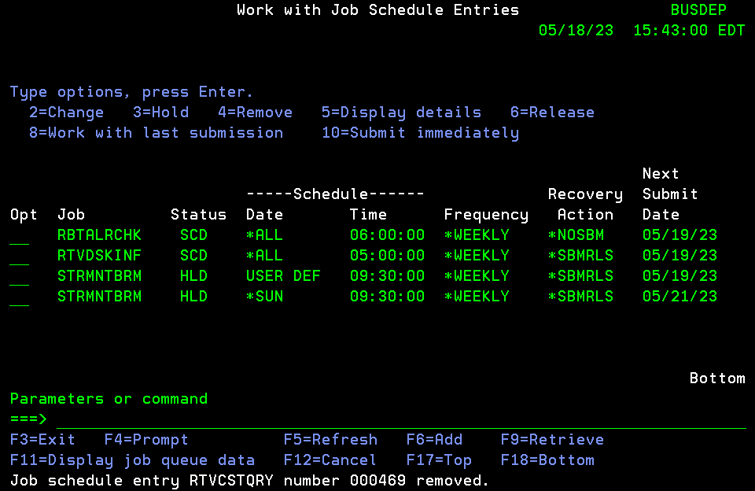
 |  |  |  |  | BUSDEP | Capture all IBM WRKJOBSCDE Entries that on SCD
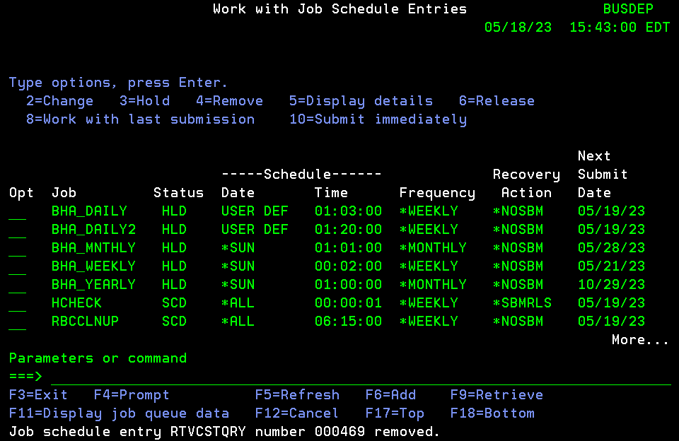

 |  |  |  |  | BUSDEP | On BUSDEP, Run a query SECMANISH/SUNJOBS using WRKQRY to create a SECMANISH/SUNJOBS file to list all Sunday jobs | Not being done now due to Stanley has a schedule to run missed Sunday jpn during DR swith hours
 |  |  |  |  |  | Download SUNJOBS file in SUNJOB_LATEST tab and sort by Sched_Run_time_1
 |  |  |  |  |  | Copy 4am to 10AM jobs from SUNJOB_LATEST tab to tab Vlookup ( in Red )
 |  |  |  |  |  | Copy 4am to 10AM jobs from ALL SUNDAY JOBS NEW to tab vlookup ( in Blue)
 |  |  |  |  |  | Find the new added jobs using vlookup in green, =N/A jobs in Vlookup tab here ( in Green )
 |  |  |  |  |  | Copy these new jobs from SUNJOB_LATEST to ALL_SUNDAY JOBS NEW to proper row loacation ( in Red )
 |  |  |  |  |  | Decide on action to take on new added jobs via DO or Skip, talk to Nasser and Stanley for action
 |  |  |  |  |  | Copy these final list of 4 am to 10am jobs with action column to DOJOBS UPLOAD
 |  |  |  |  |  | Upload DOJOBS UPLOAD to BUSDEP in DOJOBS file
 |  |  |  |  |  | These MISSED jobs to be run ON HA after switch since they were mised on BUSDEP between 4am to 10 AM while switching the role.
 |  |  |  |  |  | CL to run is SECMANISH/DRDOJOBS in tab P1 BUSDEPHA Go LIVE

BUSDEP Robot Scheduler Jobs List before Switch ( Original State ) |  |  |  |  | As of May 31,2023
Type | Name | Override(SCHOVR) | Reactive | Schedule Code | Attributes | Description | Time | M T W TH F ST SN | Application | Group Name
Group | @BU_RLS | HOLD | REACT |  |  | Error Recovery | 0:00:00 | Y Y Y Y Y . . | BACKUP | @BU_RLS
Command | @CLR_IFSPT | HOLD |  |  |  | H*Clear IFS Transfer Fldr | 0:00:00 | . . . . . . . | BD-APPLICA
Command | @SALESTEMP | HOLD |  |  |  | Sales Posting-On Demand | 0:00:00 | . . . . . . . | APPLN
Group | @SALESWDAY |  | REACT |  |  | Sales Process WeekDay | 0:00:00 | Y Y Y Y Y . . | SALESAUDIT | @SALESWDA1
Group | @SALESWEND |  | REACT |  |  | Sales Process WeekEnd | 0:00:00 | . . . . . Y Y | SALESAUDIT | @SALESWEND
Command | AGILENCETL | HOLD |  |  |  | **On Demand Agilence TLOG | 0:00:00 | . . . . . . . | BUSDEP
Command | AIRM_WEEK | HOLD | REACT |  |  | H*Send Wkly Feed AIRMILES | 0:00:00 | Y . . . . . .
Command | ARRECYCLE |  |  |  |  | Recycle Active Reasoning | 0:00:00 | . . . . . . .
Command | CKPURGE |  | REACT |  |  | Check Resource RBPURGE_DH | 0:00:00 | . . . . . . . | RBC
Command | CPC_PRC_OD | HOLD |  |  |  | On Demand-Clone CPC_PRICE | 0:00:00 | . . . . . . . | BD-APPLICA
Command | DAILY_BU | HOLD |  |  | GroupMember | H*Daily backup STRBKUBRM | 0:00:00 | . Y Y Y Y . . | BACKUP
Command | DRSHUTDOWN | HOLD |  |  |  | H*BUSDEP SHUTDOWN FOR DR | 0:00:00 | . . . . . . .
Command | DRSTARTSYS | HOLD |  |  |  | H*BUSDEP START UP FOR DR | 0:00:00 | . . . . . . .
Command | EM_EP_AUD |  |  |  |  | Eml Qtrly Emg Prf Requstr | 0:00:00 | . . . . . . . | BDAPPS
Command | EXTSLSB1OD | HOLD |  |  |  | H*BLD Ext Sls-1 On Demand | 0:00:00 | . . . . . . . | BDAPPS
Command | E3_EXTRACT | HOLD |  |  |  | On Demand-Ext E3 SLS Data | 0:00:00 | . . . . . . . | LEARN
Command | F100906001 |  |  |  |  |  | 0:00:00 | . . . . . . .
Command | F100906001 |  |  |  |  |  | 0:00:00 | . . . . . . .
Command | HBT_DWNDOD | HOLD |  |  |  | H*FTP HBT-On Demand/Hold | 0:00:00 | . . . . . . . | HBT_DWND
Command | HJQ_OLORD1 | HOLD |  |  |  | H*Hold OnlineOrd JobQ #1 | 0:00:00 | . . . . . . . | BD_APP
Command | HJQ_OLORD2 | HOLD |  |  |  | H*Hold OnlineOrd JobQ #2 | 0:00:00 | . . . . . . . | BD_APP
Command | HJQ_OLORD3 | HOLD |  |  |  | H*Hold OnlineOrd JobQ #3 | 0:00:00 | . . . . . . . | BD_APP
Command | HJQ_OLORD4 | HOLD |  |  |  | H*Hold OnlineOrd JobQ #4 | 0:00:00 | . . . . . . . | BD_APP
Command | HJQ_OLORD5 | HOLD |  |  |  | H*Hold OnlineOrd JobQ #5 | 0:00:00 | . . . . . . . | BD_APP
Command | HJQ_OLORD6 | HOLD |  |  |  | H*Hold OnlineOrd JobQ #6 | 0:00:00 | . . . . . . . | BD_APP
Command | HJQ_OLORD7 | HOLD |  |  |  | H*Hold OnlineOrd JobQ #7 | 0:00:00 | . . . . . . . | BD_APP
Command | HLDSDI_JB1 |  |  |  | GroupMember | Hold QBSDI_JB1 job queue | 0:00:00 | . . . . . . . | SDI
Command | HLDSDI_UPL |  |  |  | GroupMember | Hold QBSDI_UPL job queue | 0:00:00 | . . . . . . . | SDI
Command | JDA |  | REACT |  |  | Unrestrict JDA | 0:00:00 | . . . . . . Y
Command | MPOS0330RS | HOLD |  |  |  | H*Rsnd Full PLU-MPOS-330 | 0:00:00 | . . . . . . . | BDAPPLN
Command | OF_EML_RC |  | REACT |  |  | Outstndng Reconcil Vari | 0:00:00 | . . . . . . . | BUSDEP
Command | PCU000MP | HOLD | REACT |  |  | Profile Cleanup Utility. | 0:00:00 | . . . . . . . | IT
Command | PLNSLS_NEW | HOLD |  |  |  | H*FTP WK SL New-On Demand | 0:00:00 | . . . . . . . | BDAPPS
Command | PRODMODP |  | REACT |  |  | Daily Monday Backup | 0:00:00 | Y . . . . . . | BRMS
Command | PRODSOX2DP |  | REACT |  |  | PRODSOX to RPT2WEB | 0:00:00 | Y Y Y Y Y Y Y | 400 ANALST
Command | PRODSUDP |  |  |  |  | Daily Sunday Backup | 0:00:00 | . . . . . . Y | BRMS
Command | PURGE_DHD | HOLD | REACT |  |  | H*Purge DHD Delivery Ord | 0:00:00 | . . . . . . . | TRANSFER
Command | RBL_LNDCT2 |  | REACT |  |  | Rebuild Store Landed Cost | 0:00:00 | . . . . . . Y
Command | RBTBLDFCT |  |  |  |  | Forecast build | 0:00:00 | . . . . . . .
Command | RBT34501 |  |  |  |  | Work Schedule by Time Sch | 0:00:00 | . . . . . . . | ROBOT
Command | RBT34502 |  |  |  |  | Weekly Work Schedule by C | 0:00:00 | . . . . . . . | ROBOT
Command | RBT34701 |  |  |  |  | Report Distribution by Da | 0:00:00 | . . . . . . . | ROBOT
Command | RBT34702 |  |  |  |  | Report Distribution by Re | 0:00:00 | . . . . . . . | ROBOT
Command | REP00006 |  |  |  |  |  | 0:00:00 | . . . . . . . | REP
Command | REP29701No |  |  |  |  | Report Archive Status rep | 0:00:00 | . . . . . . . | REP
Command | RJQ_OLORD1 | HOLD |  |  |  | H*Rls OnlineOrd JobQ #1 | 0:00:00 | . . . . . . . | BD_APP
Command | RJQ_OLORD2 | HOLD |  |  |  | H*Rls OnlineOrd JobQ #2 | 0:00:00 | . . . . . . . | BD_APP
Command | RJQ_OLORD3 | HOLD |  |  |  | H*Rls OnlineOrd JobQ #3 | 0:00:00 | . . . . . . . | BD_APP
Command | RJQ_OLORD4 | HOLD |  |  |  | H*Rls OnlineOrd JobQ #4 | 0:00:00 | . . . . . . . | BD_APP
Command | RJQ_OLORD5 | HOLD |  |  |  | H*Rls OnlineOrd JobQ #5 | 0:00:00 | . . . . . . . | BD_APP
Command | RJQ_OLORD6 | HOLD |  |  |  | H*Rls OnlineOrd JobQ #6 | 0:00:00 | . . . . . . . | BD_APP
Command | RJQ_OLORD7 | HOLD |  |  |  | H*Rls OnlineOrd JobQ #7 | 0:00:00 | . . . . . . . | BD_APP
Command | RLSSDI_JB1 |  |  |  | GroupMember | Release QBSDI_JB1 jobq | 0:00:00 | . . . . . . . | SDI
Command | RLSSDI_UPL |  |  |  | GroupMember | Release QBSDI_UPL jobq | 0:00:00 | . . . . . . . | SDI
Command | RPL_SUGQTY |  | REACT |  |  | CALCULATION OF ORDER QTY. | 0:00:00 | . . . . . . Y | LEARN
Command | R000000022 |  |  |  |  | Check Resource RBHBT_DWND | 0:00:00 | . . . . . . . | RBC
Command | R000000029 |  |  |  |  | Check Resource BRMSSBS | 0:00:00 | . . . . . . . | BUSDEP
Command | R000000042 |  |  |  |  | Check Resource QINTER | 0:00:00 | . . . . . . . | BUSDEP
Command | R000000158 |  |  |  |  | Check Resource BRMSJOBQ | 0:00:00 | . . . . . . . | BUSDEP
Command | R000000233 |  |  |  |  | Check Resource SCAN_DIRS | 0:00:00 | . . . . . . . | TOWNSEND
Program | SDI860CL |  |  |  | GroupMember | Set PNDSALFIL *dtaara | 0:00:00 | . . . . . . . | SALESAUDIT
Program | SDI865CL |  |  |  | GroupMember | Submit SALESsssss jobs | 0:00:00 | . . . . . . . | SALESAUDIT
Command | SUNDAY2 |  | REACT |  |  | Post Sync-Point Jobs +HBT | 0:00:00 | . . . . . . Y
Command | SYSAUDALOB | HOLD |  |  |  | ALLOBJ user audit report | 0:00:00 | . . . . . . .
Command | SYSBKUREST | HOLD |  |  |  | Restrict system no bkup | 0:00:00 | . . . . . . .
Command | SYSBKU2 |  |  |  |  | Bring system up | 0:00:00 | . . . . . . .
Command | SYSBKU2YE | HOLD |  |  |  | H*Bring system up | 0:00:00 | . . . . . . .
Command | SYSCCCAUTH | HOLD |  | EVERY |  | Run Agent resetauth.sh | 0:00:00 | Y Y Y Y Y Y Y
Command | SYSCHKCTL |  |  |  | GroupMember | Check Controllers | 0:00:00 | . . . . . . . | BUSDEP
Command | SYSCHKJOB |  |  |  | GroupMember | Check Critial Jobs | 0:00:00 | . . . . . . . | BUSDEP
Command | SYSCHKJOBQ |  |  |  | GroupMember | Check Resource JOBQ | 0:00:00 | . . . . . . . | BUSDEP
Command | SYSCHKLIN |  |  |  | GroupMember | Check Com Lines | 0:00:00 | . . . . . . . | BUSDEP
Command | SYSCHKSBS |  |  |  | GroupMember | Check Subsystems | 0:00:00 | . . . . . . . | BUSDEP
Command | SYSE3LIBS | HOLD |  |  |  | E3 libraries save | 0:00:00 | . . . . . . . | BRMS
Command | SYSFLTREC | HOLD |  |  |  | Collect BRMS flight recs | 0:00:00 | . . . . . . .
Command | SYSJOBTST |  |  |  |  | test | 0:00:00 | . . . . . . .
Command | SYSMAFSBMM |  | REACT |  |  | Submit Final monthly jobs | 0:00:00 | . . . . . . Y
Command | SYSMAFSBMW |  | REACT |  |  | Submit Final weekly jobs | 0:00:00 | . . . . . . Y
Command | SYSNETIQPR |  | REACT |  |  | NetIQ Purge Deleted Prfs | 0:00:00 | . . . . . . .
Command | SYSODBCPRG |  | REACT |  |  | ODBC Log Purge > 2 Years | 0:00:00 | . . . . . . .
Command | SYSODBCRST |  | REACT |  |  | ODBC 90 Day Reset | 0:00:00 | . . . . . . .
Command | SYSOPSMAIL | HOLD | REACT |  |  | EMAIL GOC after WKend Prc | 0:00:00 | . . . . . . Y
Command | SYSPRFDIS |  | REACT |  |  | Profile Disable Utility. | 0:00:00 | . . . . . . . | IT
Command | SYSPT_APY | HOLD |  |  |  | PTownsend Apply PTFs | 0:00:00 | . . . . . . .
Command | SYSSTRSBS |  | REACT |  |  | Start System Sunday | 0:00:00 | . . . . . . Y
Command | SYSSTRSBS2 |  | REACT |  |  | Start System Mon-Fri | 0:00:00 | . . . . . . .
Command | SYSSWPLOAD | HOLD |  |  |  | Load Post Role Swap Tasks | 0:00:00 | . . . . . . .
Command | TSG200YP | HOLD |  |  |  | H*Switch Fiscal Calendar | 0:00:00 | . . . . . . . | SCHEDULING
Command | VRM_WKND |  | REACT |  |  | VRM Weekend run | 0:00:00 | . . . . . . Y
Command | HBT_CUS#WP |  |  |  |  | *Purge/Create TXECCT WKN | 0:01:00 | . . . . . Y Y
Command | HBT_DWND_M |  |  |  |  | *FTP HBT-DLY if FTP:Mon | 0:01:00 | Y . . . . . . | HBT_DWND
Command | ZAACL85 |  |  |  |  | Subsys gen info | 0:01:00 | Y . . . . . . | PSAUDIT
Command | CKHBTDWN_M |  |  |  |  | Check Resource RBHBT_DWND | 0:02:00 | Y . . . . . . | RBC
Command | CKDLYSAL |  |  |  |  | Check Resource DLY_SALRPT | 0:05:00 | Y Y Y Y Y Y . | RBC
Command | DAYCLOSE |  |  |  |  | Day Close | 0:05:00 | Y Y Y Y Y Y . | DAILY
Command | LCT_UPL1 |  |  |  |  | Upload Labor Cost Xfer | 0:05:00 | Y . . . . . . | BD APPLN
Command | PERFNAVDR | HOLD |  |  |  | Data Reduction | 0:05:00 | Y Y Y Y Y Y Y | TECSUPPORT
Command | ZAACL28JD |  |  |  |  | Chgs to USER of a JOBD | 0:05:00 | Y . . . . . . | PSAUDIT
Command | ZAACL7701 |  |  |  |  | System Values | 0:05:00 | . . . . . . Y | PSAUDIT
Command | ZAACL7702 |  |  |  |  | Pgms that Adopt QSECOFR | 0:05:00 | . . . . L . . | PSAUDIT
Command | CH_MSGMON1 |  |  | EVERY |  | Check Job has MSGW-MON-#1 | 0:00:00 | Y . . . . . . | BD_APP
Command | CKDAYCLO |  |  |  |  | Check Resource RBDAYCLOSE | 0:06:00 | Y Y Y Y Y Y . | DAYCLOSE
Command | RSOSLOGI |  |  |  |  | Remove Mbr for SOSLOGI | 0:10:00 | . . . . . Y . | BDAPPLICAT
Command | RSOSLOGO |  |  |  |  | Remove Mbr for SOSLOGO | 0:10:00 | . . . . . Y . | BDAPPLICAT
Command | ZAACL28SM |  |  |  |  | System Management Changes | 0:10:00 | Y . . . . . . | PSAUDIT
Command | ZAACL7703 |  |  |  |  | Network Attributes | 0:10:00 | . . . . . . Y | PSAUDIT
Command | ZAACL98 |  |  |  |  | Pgms adopt QSEC like auth | 0:10:00 | . . . . L . . | PSAUDIT
Command | HBT_DWND_D |  |  |  |  | *FTP HBT-DLY if FTP:Tu-Sa | 0:15:00 | . Y Y Y Y Y . | HBT_DWND
Command | ZAACL28VV |  |  |  |  | Service Status Changes | 0:15:00 | Y . . . . . . | PSAUDIT
Command | ZAACL7715 |  |  |  |  | Local Hardware | 0:15:00 | . . . . . . Y | PSAUDIT
Command | CKHBTDWN |  |  |  |  | Check Resource RBHBT_DWND | 0:16:00 | . Y Y Y Y Y . | RBC
Command | ZAACL7709 |  |  |  |  | Output Queue Descriptions | 0:20:00 | . . . . . . Y | PSAUDIT
Command | ZAACL93 |  |  |  |  | Network job entries | 0:25:00 | . . . . . . Y | PSAUDIT
Command | CKUPDINV |  |  | EVERY |  | Check Resource UPD_INVLBL | 0:00:00 | Y Y Y Y Y Y . | RBC
Group | @BU_MON | HOLD |  |  |  | Backup (Mon) | 0:30:00 | Y . . . . . . | BACKUP | @BU_MON
Command | HBT_CLNW |  |  |  |  | Cleanup issued tax cust. | 0:30:00 | Y . . . . . . | HBT
Command | PERFNAVDR | HOLD |  |  |  | Perf Nav Data Reduction | 0:30:00 | Y Y Y Y Y Y Y | MPG
Command | ZAACL88 |  |  |  |  | Dist direct entries | 0:30:00 | . . . . . . Y | PSAUDIT
Command | ZAACL28PS |  |  |  |  | Profile Swap | 0:40:00 | . . . . L . . | PSAUDIT
Command | ZAACL28VL |  |  |  |  | Account Limits Exceeded | 0:45:00 | . . . . L . . | PSAUDIT
Command | SYSBKUP |  |  |  |  | Reg Weekly Shutdown IPL | 0:50:00 | . . . . . Y .
Command | SYSBKUPPE |  |  |  |  | Period End Shutdown IPL | 0:50:00 | . . . . . Y .
Command | SYSBKUPQE |  |  |  |  | Quarter End Shutdown IPL | 0:50:00 | . . . . . Y .
Command | SYSBKUPYE | HOLD |  |  |  | H*Year End Shutdown IPL | 0:50:00 | . . . . . Y .
Command | ZAACL28OR |  |  |  |  | Object Restore | 0:50:00 | Y . . . . . . | PSAUDIT
Command | CH_MSGSAT1 |  |  | EVERY |  | Check Job has MSGW-SAT-#1 | 0:00:00 | . . . . . Y . | BD_APP
Command | ZAACL74 |  |  |  |  | Grp Prfs w/any Spec Auth | 0:55:00 | . . . . L . . | PSAUDIT
Command | BUSDEP | HOLD |  |  |  | H*DasdPlus Survey | 1:00:00 | Y . . . . . . | LEARN
Command | HBT_CUS#DP |  |  |  |  | *Purge/Create TXECCT WDAY | 1:00:00 | Y Y Y Y Y . .
Command | PERFNAVPM | HOLD |  |  |  | Perf Nav Monitor | 1:00:00 | Y Y Y Y Y Y Y | MPG
Command | SYSILMTSSC |  |  |  |  | ILMT Software Scan | 1:00:00 | Y Y Y Y Y Y Y
Command | SYSTHRWKLY | HOLD |  |  |  | Weekly threaded save | 1:00:00 | . . . . . Y .
Command | ZAACL7718 |  |  |  |  | User Profile = Password | 1:00:00 | . . . . L . . | PSAUDIT
Command | ZAACL80UA |  |  |  |  | Group Profiles | 1:05:00 | . . . . L . . | PSAUDIT
Command | ZAACL80UB |  |  |  |  | Prf Parm Analysis | 1:10:00 | . . . . L . . | PSAUDIT
Command | ZAACL80UC |  |  |  |  | Prf Password Exp not 0 | 1:15:00 | . . . . L . . | PSAUDIT
Command | ZAACL80U3 |  |  |  |  | Prfs without Limited Cap | 1:20:00 | . . . . L . . | PSAUDIT
Command | ZAACL80U4 |  |  |  |  | Prfs SECADM SECOFR ALLOBJ | 1:25:00 | . . . . L . . | PSAUDIT
Command | CH_MSGSUN1 |  |  | EVERY |  | Check Job has MSGW-SUN-#1 | 0:00:00 | . . . . . . Y | BD_APP
Command | ZAACL82 |  |  |  |  | Attn key pgms adopt auth | 1:30:00 | . . . . L . . | PSAUDIT
Command | ZAACL84 |  |  |  |  | Prfs attn key pgms | 1:35:00 | . . . . L . . | PSAUDIT
Command | ZAA3010C |  |  |  |  | Profile Integrity | 1:40:00 | . . . . L . . | PSAUDIT
Command | HLD_DCJOBQ |  |  |  |  | Hold DCDIRECT JOBQ | 1:55:00 | Y Y Y Y Y . . | BDAPPLN
Command | SYSCHGTIME | HOLD |  |  |  | DST TIME CHANGE -1 HR | 1:55:00 | . . . . . . Y
Command | REORGFILE |  |  |  |  | REORGANIZE FILES | 2:00:00 | . Y . . . . . | LEARN
Command | SYSUSRPRF2 |  |  |  |  | DSPUSRPRF to ITTOOLS | 2:00:00 | Y Y Y Y Y Y Y
Command | ZAACL28CP2 |  |  |  |  | Action To User Prfs | 2:00:00 | Y Y Y Y Y Y . | PSAUDIT
Command | ZAACL28DS |  |  |  |  | DST Password Reset | 2:00:00 | Y Y Y Y Y Y . | PSAUDIT
Command | ZAACL28PA |  |  |  |  | Pgms Chgd Adopt Owner Aut | 2:00:00 | Y Y Y Y Y Y . | PSAUDIT
Command | ZAACL28SV |  |  |  |  | Changes To System Values | 2:00:00 | Y Y Y Y Y Y . | PSAUDIT
Command | ZAACL33AL |  |  |  |  | Cmds For Limited Users | 2:00:00 | . . . . L . . | PSAUDIT
Command | PERFNAVPG | HOLD |  | DAYNO |  | Reduced Data Purge | 2:30:00 | 1 | TECSUPPORT
Command | PERFNAVPG | HOLD |  |  |  | PN Reduced Data Purge | 2:30:00 | . . . . . 1 . | MPG
Command | RSOSLOGIWE |  |  |  |  | Remove Mbr for SOSLOGI-WE | 2:40:00 | . . Y . . . . | BDAPPLICAT
Command | RSOSLOGOWE |  |  |  |  | Remove Mbr for SOSLOGO-WE | 2:40:00 | . . Y . . . . | BDAPPLICAT
Command | DCA1_SLSD2 |  |  | EVERY |  | CA Sales Fri<2:41*10 min | 0:00:00 | . . . . Y . .
Command | ENDQPGMR |  |  |  |  | ENDQPGMR | 2:50:00 | . Y Y Y Y . . | LEARN
Command | BPS_OK_NO1 |  |  | EVERY |  | OTH-Refresh BPS Alloc Qty | 0:00:00 | . Y Y Y Y . .
Command | CH_MSGT2F1 |  |  | EVERY |  | Check Job has MSGW-T2F-#1 | 0:00:00 | . Y Y Y Y . . | BD_APP
Group | @BU_WDAY | HOLD |  |  |  | Backup (Tue/Wed/Thu/Fri) | 3:00:00 | . Y Y Y Y . . | BACKUP | @BU_WDAY
Command | DCA_PURGE |  |  |  |  | Wkly Purge DCAINVTRN Mbr | 3:00:00 | Y . . . . . .
Command | PRODDP |  |  |  |  | Daily Tue-Fri Backup | 3:00:00 | . Y Y Y Y . . | BRMS
Command | SYSSTPBASE | HOLD |  |  |  | Dasd plus Baseline Survey | 3:00:00 | . . . . . 1 .
Command | PERFNAVDS | HOLD |  |  |  | Lib and Obj Sizes | 3:30:00 | . . . . . . Y | TECSUPPORT
Command | PERFNAVDS | HOLD |  |  |  | PN Lib and obj sizes | 3:30:00 | . . . . . . Y | MPG
Command | RLS_DCJOBQ |  |  |  |  | Release DCDIRECT JOBQ | 3:30:00 | Y Y Y Y Y . . | BDAPPLN
Command | EXTSL_R1 | HOLD |  |  |  | H*Eml Ext SLS Rpt-R1 | 3:45:00 | Y . . . . . . | BDAPP
Command | RBL_LNDCT1 |  |  |  |  | Rebuild Store Landed Cost | 3:59:00 | Y Y Y Y Y Y .
Command | BPS831CL |  |  |  |  | *Operational Excellence | 4:00:00 | Y Y Y Y Y Y Y | REPORTING
Command | WK_DST_MON |  |  |  |  | WKLY DISTRICT RESULTS-MON | 4:00:00 | Y . . . . . . | LEARN
Command | WK_RDBFEED | HOLD |  |  |  | H*DashBoard Weekly | 4:00:00 | Y . . . . . . | BUSDEP
Command | CATMANGETD |  |  |  |  | Dly-Get CATMAN Files | 4:05:00 | Y Y Y Y Y . Y
Command | CATMANLSTD |  |  |  |  | Dly-Get CATMAN File LST | 4:05:00 | Y Y Y Y Y . Y
Command | E3_BD_ZAP |  |  |  |  | E3 Weekly Report | 4:05:00 | Y . . . . . . | LEARN
Command | MOOSEAGGR1 |  |  |  |  | MOOSE AGGREGATE UPDATE | 4:10:00 | Y Y Y Y Y . . | LEARN
Command | MOOSEAGGR2 |  |  |  |  | *MOOSE AGGREGATE UPD WKN | 4:10:00 | . . . . . Y Y | LEARN
Command | EXTSL_R2 |  |  |  |  | Eml Ext. SLS Rpt-Reg02 | 4:15:00 | Y . . . . . . | BDAPP
Command | EXTSL_R5 |  |  |  |  | Eml Ext. SLS Rpt-Reg05 | 4:15:00 | Y . . . . . . | BDAPP
Command | E3_FREEZE |  |  |  |  | *E3 DAY-END PROCESS | 4:15:00 | Y Y Y Y Y Y Y | LEARN
Command | ACK_EDI |  |  |  |  | EDI Acknowledgment Update | 4:30:00 | Y Y Y Y Y Y .
Command | E3_DAYEND |  |  |  |  | *E3 DAY-END PROCESS | 4:30:00 | Y Y Y Y Y Y Y | LEARN
Command | MONINVBL3A | HOLD |  |  |  | H*INVBAL Refresh to Sunrs | 4:30:00 | . Y Y Y Y . . | BD APPLN
Command | POS_PURGE |  |  |  |  | O*Purge Old Sales Data | 4:30:00 | Y Y Y Y Y Y Y | BD-APP
Command | PURG_RPL |  |  |  |  | Purge Mult Mbr-Sys:RPL | 4:30:00 | Y . . . . . . | BDAPP
Command | PURGE_WSID |  |  |  |  | Purge Virtual WS ID QPAD* | 4:30:00 | Y Y Y Y Y . . | BD APP SUP
Command | RBA90501 |  |  |  |  | Transmission Log Delete | 4:30:00 | Y . . . . . . | ALERT
Command | RBA90601 |  |  |  |  | Message History Delete | 4:30:00 | Y . . . . . . | ALERT
Command | RBC000WP |  |  |  |  | Robot Console Hist Purge | 4:30:00 | . . . . . Y .
Command | INVBAX_API | HOLD |  | EVERY |  | H*API Call to upd invbax | 0:00:00 | Y Y Y Y Y Y Y
Command | F_BUSPLN |  |  |  |  | Business Plan Data Feed | 5:00:00 | . . . Y . . . | BD-APPS
Command | GM_WK_RPT |  |  |  |  | Auto GM Weekly Report-Mon | 5:00:00 | Y . . . . . . | BDAPPLN
Command | NONSALE_UP |  |  |  |  | Update the Status of | 5:00:00 | Y Y Y Y Y Y Y | BUSDEP
Command | PERFNAVIFS | HOLD |  |  |  | IFS Size Collection | 5:00:00 | . . . . . . Y | TECSUPPORT
Command | PERFNAVIFS | HOLD |  |  |  | Perf Nav IFS size coll | 5:00:00 | . . . . . . Y | MPG
Command | PLNMST | HOLD |  |  |  | H*FTP Pln Master Tables | 5:00:00 | Y Y . Y Y . . | BDAPPS
Command | PLNMST_SLS | HOLD |  |  |  | H*FTP WKly Mstr/SLS to DB | 5:00:00 | . . Y . . . . | BDAPPS
Command | SAARMNT |  |  | DAYNO |  | Bank Reconciliation | 5:00:00 | 1 | BDA
Command | SABNKMNT |  |  | DAYNO |  | Bank Reconciliation | 5:00:00 | 1 | BDA
Command | SAI_INRT |  |  |  |  | Weekly RT Feed From Alpha | 5:00:00 | . . . . . Y . | BDAPPLICAT
Command | UPDVEND# |  |  |  |  | Refresh Vendr-UPC/BCD/RTN | 5:00:00 | Y Y Y Y Y . . | BDAPP
Command | ZAACL28NA |  |  |  |  | Chgs To Net Attributes | 5:00:00 | Y Y Y Y Y Y . | PSAUDIT
Command | ZAACL28SE |  |  |  |  | Subsystem Routing Changes | 5:00:00 | Y Y Y Y Y Y . | PSAUDIT
Command | ZAACL28ST |  |  |  |  | Use of Service Tools | 5:00:00 | Y Y Y Y Y Y . | PSAUDIT
Command | CATMANGETF |  |  |  |  | Fri-Get CATMAN Files | 5:05:00 | . . . . Y . .
Command | CATMANLSTF |  |  |  |  | Fri-Get CATMAN File LST | 5:05:00 | . . . . Y . .
Command | E3TWAIT |  |  |  |  | *E3 DAY-END PROCESS | 5:15:00 | Y Y Y Y Y Y Y | LEARN
Command | EVER_SKUFL |  |  |  |  | Set Ever Sku Flag | 5:20:00 | Y Y Y Y Y Y . | BDAPPS
Command | AGILENCEDP |  |  |  |  | Send Agilence LP File DLY | 5:30:00 | Y Y Y Y Y . . | BUSDEP
Command | CPS_DAILY |  |  |  |  | Extract Sales for C&P SO | 5:30:00 | Y Y Y Y Y Y Y | BD APPLN
Command | DCA3_DAILY |  |  |  |  | *CA Morning Setup *Once | 5:30:00 | Y Y Y Y Y Y Y
Command | MOO_SUM | HOLD |  |  |  | H*Build MOOSE Summary | 5:30:00 | Y . . . . . . | BDAPPS
Command | PLNVMST_UP |  |  |  |  | FTP Get POG/Sku,Str,Desc | 5:30:00 | . . . . Y . . | BDAPPS
Command | SUNIRF_DP |  |  |  |  | SUNRISE Inv Fresh Mon-Fri | 5:30:00 | Y Y Y Y Y . . | BDAPPLN
Command | SYSGENRBT | HOLD |  |  |  | re-gen robot message file | 5:30:00 | . . Y . . . Y
Command | SYSTELSSL | HOLD |  |  |  | Create DTAAREA for TELSSL | 5:30:00 | . . . Y . . .
Command | EM_PRC2OD | HOLD |  |  |  | H*Eml Prc Chg-FU-On Deman | 5:35:00 | . . . . . Y . | BUSDEP APP
Command | MPOS_330DP | HOLD |  |  |  | H*Send Full PLU-MPOS-330 | 5:40:00 | Y Y Y Y Y . . | BDAPPLN
Command | BPS_INVENT |  |  |  |  | Eml BPS Ord Activity Rpt | 5:45:00 | Y Y Y Y Y Y Y | BUSDEP
Command | CLR_IFSDP |  |  |  |  | Clear IFS tmp folder-DLY | 5:45:00 | Y Y Y Y Y . . | BD-APPLICA
Command | F_PDBRCLDP |  |  |  |  | *FTP RCL Fee-> Google WD | 5:45:00 | Y Y Y Y Y . . | BD_APP
Command | F_PDBVNDDP |  |  |  |  | *FTP Vend Master-> PDB WD | 5:45:00 | Y Y Y Y Y . . | BD_APP
Command | PCA_PURAS4 |  |  |  |  | *Clear AS400 Count Files | 5:45:00 | . . . Y . . . | BD-APPS
Command | POSLOG |  |  |  |  | Monitoring POS Polling | 5:45:00 | Y Y Y Y Y Y Y | POS
Command | PPR_OH_DP |  |  |  |  | PPR On Hand - rolling | 5:45:00 | Y Y Y Y Y Y . | BD-APP
Command | RLS_RVFAX |  |  |  |  | Release RVFax JOB Queue | 5:45:00 | . . . . . Y . | BDAPPLN
Command | SYSCHKSUN | HOLD |  |  |  | check sunrise | 5:45:00 | . . . . . . Y
Command | F_GXDLY2TB |  |  |  |  | *FTP Google Master TBL#2 | 5:50:00 | Y Y Y Y Y Y Y | BD_APP
Command | BLD_PRXFDP |  |  |  |  | Bld Program Ref-Daily | 5:55:00 | Y Y Y Y Y . . | BD APPLN
Command | FCHN_SKUDP | HOLD |  |  |  | H*CHN Sku Lst-Fil Rpt-Dly | 5:55:00 | Y Y Y Y Y . . | BD APPLN
Command | F_GXDLY1TB |  |  |  |  | *FTP Google Master TBL#1 | 5:58:00 | Y Y Y Y Y Y Y | BD_APP
Command | EMPMSTDP |  |  |  |  | Upl Empl Mstr SLSEMPWK-DP | 5:59:00 | Y Y Y Y Y . . | BD APPLN
Command | ADDINVRTN |  |  |  |  | Add Missing INVTRN Record | 6:00:00 | Y Y Y Y Y Y . | BDAPPLN
Command | BDDLOC_CPY |  |  |  |  | Backup BDDLOC => BDDLOCBK | 6:00:00 | Y Y Y Y Y Y . | BD_APPLN
Command | CBT_DAILY |  |  |  |  | *File feed transmission | 6:00:00 | Y Y Y Y Y Y Y | BD APPLN
Command | CLR_E3PROD |  |  |  |  | Clear E3PROD Outq | 6:00:00 | . Y . . . . . | LEARN
Command | CLR_IFSALL |  |  |  |  | O*Clear IFS see IFSLIST | 6:00:00 | Y Y Y Y Y Y Y | BDAPP
Command | DST_DAILY |  |  |  |  | DAILY DISTRICT STORE RES | 6:00:00 | Y Y Y Y Y . . | LEARN
Command | ETS_DAILY |  |  |  |  | ETS-WebErr & ESPtablesFTP | 6:00:00 | Y Y Y Y Y Y Y | BDAPPS
Command | F_SUPORD |  |  |  |  | FTP Supply Order->Ruscom | 6:00:00 | Y Y Y Y Y Y . | BDAPPS
Command | KRONOSDP |  |  |  |  | DYLY:Store Data->Kronos | 6:00:00 | Y Y Y Y Y . . | BDAPPLN
Command | MKB_REPORT | HOLD |  |  |  | H*Market Basket Report | 6:00:00 | Y Y Y Y Y Y Y | BUSDEP
Command | MONINVBL2A | HOLD |  |  |  | H*INVBAL Refresh to Sunrs | 6:00:00 | Y . . . . . . | BD APPLN
Command | MPOS_330WP | HOLD |  |  |  | H*Send Full PLU-MPOS-330 | 6:00:00 | . . . . . Y Y | BDAPPLN
Command | PLNPOS |  |  |  |  | Upload Sign Type/# Copies | 6:00:00 | . . . . Y . . | BD APP
Command | SAI_MAC |  |  |  |  | *SA Daily MAC Interface | 6:00:00 | Y Y Y Y Y Y Y | BD APP
Command | SE_DAILY |  |  |  |  | *Send Daily Feeds for SE | 6:00:00 | Y Y Y Y Y . Y | BUSDEP
Command | SE_WEEK |  |  |  |  | Send Weekly Feeds for SE | 6:00:00 | . . . . . Y . | BUSDEP
Command | SKUEXT2 |  |  |  |  | *Sku Master ext part 2 | 6:00:00 | Y Y Y Y Y Y Y | BD APPLN
Command | SOSIFSCLR | HOLD |  |  |  | H*Spec Order Payment Conf | 6:00:00 | Y Y Y Y Y . . | BUSDEP
Command | SYSAUDROBL |  |  | DAYNO |  | Robot Audit Reports | 6:00:00 | 1
Command | SYSBRMSLOG |  |  | DAYNO |  | Monthly Audit BRMS Log | 6:00:00 | 1
Command | SYSLOGFTP | HOLD |  |  |  | FTP Network Transactions | 6:00:00 | Y Y Y Y Y Y Y
Command | SYSRRMTRAN | HOLD |  |  |  | Capture all Network Trans | 6:00:00 | Y Y Y Y Y Y Y
Command | SYSSTORAUD | HOLD |  |  |  | Audit store 3 & 256 | 6:00:00 | . Y Y Y Y Y .
Command | UP_GCCOM |  |  |  |  | Refresh Gift Card Com% | 6:00:00 | Y Y Y Y Y Y Y | BDAPP
Command | CKCLEAR |  |  |  |  | Check Resource RBCLEAR_IF | 6:01:00 | Y Y Y Y Y . . | RBC
Command | CATMANGETS |  |  |  |  | Sat-Get CATMAN Files | 6:05:00 | . . . . . Y .
Command | CATMANLSTS |  |  |  |  | Sat-Get CATMAN File LST | 6:05:00 | . . . . . Y .
Command | AGILENCEWP |  |  |  |  | *Send Agilence LP File WN | 6:15:00 | . . . . . Y Y | BUSDEP
Command | AUTO_FTP |  |  |  |  | *Resend Missed POS Price | 6:25:00 | Y Y Y Y Y Y Y | SDI
Command | ECP1_DAILY | HOLD |  |  |  | H*Easy Care Plan Create | 6:25:00 | Y Y Y Y Y Y .
Command | EM_PRC1OD | HOLD |  |  |  | H*Eml Prc Chg-IR-On Demnd | 6:25:00 | . . . . . Y . | BUSDEP APP
Command | CLD_TXNPCK | HOLD |  |  |  | H*StoragePipe Ord Trigger | 6:30:00 | Y Y Y Y Y Y Y | BDAPPLN
Command | CLR_IFSWP |  |  |  |  | O*Clear IFS TMP Fldr-WN | 6:30:00 | . . . . . Y Y | BD-APPLICA
Command | CXDAILY |  |  |  |  | Daily SLS CMIS-Weekday | 6:30:00 | Y Y Y Y Y . . | CMIS
Command | CXTBLBDG |  |  |  |  | *Giftcard Reversal TBLMDG | 6:30:00 | Y Y Y Y Y Y Y | CMIS
Command | ECP_WEEKLY | HOLD |  |  |  | H*ESP Mnth Cont-Hld/Activ | 6:30:00 | Y . . . . . .
Command | EM_DSAD1 |  |  |  |  | *EMail Daily SLS All Str | 6:30:00 | Y Y Y Y Y . . | BD_APP
Command | ESPCLOSEWP | HOLD |  |  |  | Not Used-Force closed ESP | 6:30:00 | . Y . . . . . | BD-APPS
Command | F_DLYSLS |  |  |  |  | FTP Delivery Sls Summary | 6:30:00 | . Y . . . . . | BDAPPS
Command | INV824JQ |  |  |  |  | Shrink File Update | 6:30:00 | Y . . . . . . | INV
Command | MOOSE3_DP |  |  |  |  | Rebuild MOOSE3-Weekdays | 6:30:00 | Y Y Y Y Y . . | BD_APP
Command | PLNFACEX | HOLD |  |  |  | H*Pln Facing Exception | 6:30:00 | Y . . . . . . | BD-APPS
Command | PPA_DATE |  |  |  |  | Roll Prepaid Activation D | 6:30:00 | Y Y Y Y Y Y Y | SORDER
Command | PURG_DBFA | HOLD |  |  |  | H*Purge Data Base File | 6:30:00 | . L . . . . .
Command | QA_REFRESH |  |  |  |  | QA Lab Daily PLU Updates | 6:30:00 | Y Y Y Y Y Y Y | SDI899CL
Command | RBT650001 |  |  |  |  | Completion Message Listin | 6:30:00 | Y Y Y Y Y Y Y | ROBOT
Command | RBT651DP |  |  |  |  | Good Morning Report | 6:30:00 | Y Y Y Y Y Y Y | PROD. DEL.
Command | RBT651WP |  |  |  |  | Good Morning Report | 6:30:00 | Y . . . . . . | PROD. DEL.
Command | SACFSDLY |  |  |  |  | CFS Parsing | 6:30:00 | . Y Y Y Y Y . | BDA
Command | SKUCHKD |  |  |  |  | Recalculate Sku Check Dig | 6:30:00 | Y Y Y Y Y . . | BUSDEP
Command | SPI_WKLY | HOLD |  |  |  | H*SPI Weekly Update | 6:30:00 | Y . . . . . . | SPI
Command | SYSEXPPRF |  |  |  |  | Check for expired 365 prf | 6:30:00 | Y . . . . . .
Command | SYSJRNACT | HOLD |  |  |  | Log Journal Rcvr Activity | 6:30:00 | Y Y Y Y Y Y Y
Command | SYSODBCPRT |  |  |  |  | Monthly ODBC Access Repor | 6:30:00 | 1 . . . . . .
Command | SYSSSHCHK |  |  |  |  | AML SSH Config Check | 6:30:00 | Y Y Y Y Y Y Y
Command | TDSFEE | HOLD |  |  |  | H*TDS FEE Email Report | 6:30:00 | Y . . . . . . | BD APP SUP
Command | SSWINBND2 |  |  |  |  | *FTP/In Str Signage WHSE | 6:35:00 | Y Y Y Y Y Y . | BDAPPLN
Command | PURG_E3RPT |  |  |  |  | Purge E3 Report in IFS | 6:40:00 | . Y . . . . . | BD APP SUP
Command | PURGE_CD |  |  |  |  | Purge E3 Cross Dock Order | 6:40:00 | . Y . . . . . | BD APP SUP
Command | CKMONSWA |  |  |  |  | Check MONSWABRM for SLA | 6:45:00 | Y Y Y Y Y Y .
Command | EM_UIDCHDP |  |  |  |  | Eml User ID Chg Err -DLY | 6:45:00 | Y Y Y Y Y . . | BDAPPS
Command | F_PDBRCLWP |  |  |  |  | *FTP RCL Fee-> Google WN | 6:45:00 | . . . . . Y Y | BD_APP
Command | F_PDBVNDWP |  |  |  |  | *FTP Vend Master-> PDB WN | 6:45:00 | . . . . . Y Y | BD_APP
Command | MONINVBL3B | HOLD |  |  |  | H*INVBAL Refresh to Sunrs | 6:45:00 | . Y Y Y Y . . | BD APPLN
Command | PLNSLS_OLD | HOLD |  |  |  | H*Wkly/Mnthly Sls-OLD | 6:45:00 | . Y . . . . . | BDAPPS
Command | SSWOUTBND |  |  |  |  | FTP/Out Str Signage WHSE | 6:45:00 | Y Y Y Y Y Y . | BDAPPLN
Command | AS2RESETDP |  |  |  |  | *Reset AS2 Comm. Line | 6:55:00 | Y Y Y Y Y Y Y | 400 ANLYST
Command | CVM_CSAT | HOLD |  |  |  | H*Send/Receive CVM Data | 6:55:00 | Y Y Y Y Y Y Y | BD-APP
Command | ESPCUA | HOLD |  |  |  | H*Upld AS400 WebESP Cust | 6:55:00 | Y Y Y Y Y Y Y | BD APPS
Command | AIRM_DAILY | HOLD |  |  |  | H*Send Daily Feed AIRMILE | 7:00:00 | Y Y Y Y Y Y Y
Command | CHKBAL_BLD |  |  |  |  | CHECK INVBAL REBUILD | 7:00:00 | . . . . . . Y
Command | CXSALES |  |  |  |  | Wkly SLS Totals to CMIS | 7:00:00 | Y . . . . . .
Command | DRPSHPVNDP | HOLD |  |  |  | H*Vendor File | 7:00:00 | Y Y Y Y Y . . | BD-APPS
Command | EBY_TRF_DP |  |  |  |  | Sends daily eBay transfer | 7:00:00 | Y Y Y Y Y . . | BD APP
Command | EM_DSTD1 |  |  |  |  | *EMail Daily SLS Transfrm | 7:00:00 | Y Y Y Y Y . . | BD_APP
Command | EMPMSTWP |  |  |  |  | *Upl Empl Mst SLSEMPWK-WP | 7:00:00 | . . . . . Y Y | BD APPLN
Command | F_XEROXDP |  |  |  |  | Send PO Rec RTV Info XRX | 7:00:00 | Y Y Y Y Y Y . | BDAPPS
Command | FCHN_SKUWP | HOLD |  |  |  | H*CHN Sku Lst-Fill Rpt-WN | 7:00:00 | . . . . . Y Y | BD APPLN
Command | PPR_OH_WP |  |  |  |  | PPR On Hand - rolling-SUN | 7:00:00 | . . . . . . Y | BD-APP
Command | SPIDRIVE | HOLD |  |  |  | H*SPI Prod Collection | 7:00:00 | . Y Y Y Y . . | SPI
Command | TSS_ORDPOP |  |  |  |  | Zuora Order Number Popula | 7:00:00 | Y Y Y Y Y Y Y
Command | UP_MEMCONT |  |  |  |  | *Upd Sku Memory Content | 7:00:00 | Y Y Y Y Y Y Y | BD_APP
Command | HAMILTON |  |  |  |  | *CREATE CITICORP FILES | 7:15:00 | Y Y Y Y Y Y Y | LEARN
Command | PRTLABELOD | HOLD |  |  |  | H*Print Labels-On Demand | 7:25:00 | . . . . . Y . | SDI
Command | BLDINVTR |  |  |  |  | Build Inventory Turn file | 7:30:00 | . . . . . . .
Command | DESJARDINS |  |  |  |  | *Outbound Line Item Dtl | 7:30:00 | Y Y Y Y Y Y Y | BD APP
Command | DLYQWKN3AM | HOLD |  |  |  | H*Block 15 QWKNBCH3 Jobs | 7:30:00 | Y Y Y Y Y . . | BD_APP
Command | EM_PDNVFO |  |  |  |  | Eml Pending Sell Thr Rpt | 7:30:00 | Y Y Y Y Y Y Y | BD_APP
Command | EM_UIDCHWP |  |  |  |  | Eml User ID Chg Err -WKN | 7:30:00 | . . . . . Y Y | BDAPPS
Command | E3FCTVAR |  |  |  |  | E3 variance reports | 7:30:00 | Y . . . . . . | BD-APPS
Command | F_ORDSTSYD |  |  |  |  | Copy FC Order Sts Journal | 7:30:00 | Y Y Y Y Y Y Y | BD APPLN
Command | F_OS_POTRD |  |  |  |  | FTP Unrec PO Trf-BTS Wk D | 7:30:00 | Y Y Y Y Y . . | BDAPPS
Command | PURG_DBF |  |  |  |  | Purge Data Base File | 7:30:00 | . Y . . . . .
Command | REV_SKU |  |  |  |  | Flag Reversal Sku-INVSKU | 7:30:00 | Y Y Y Y Y . . | BDAPPS
Command | SAALPDLY |  |  |  |  | Alpha Parsing | 7:30:00 | . Y Y Y Y Y . | BDA
Command | SBMZAPJOBS |  |  |  |  | Submit purge jobs | 7:30:00 | . . Y . . . . | SYS
Command | SOINGRAM |  |  |  |  | Ingram Special Orders | 7:30:00 | Y Y Y Y Y . . | SORDER
Command | SYM_SLS |  |  |  |  | symantec sales file | 7:30:00 | . Y . . . . . | BD APPS
Command | SYSPSJRN |  |  | INDAY |  | Delete PSJRN Receivers | 7:30:00 | . . . . . . .
Command | VRM_INVOIC |  |  |  |  | VRM Inv DO NOT take DO | 7:30:00 | Y . . . . . .
Command | CK_E3EOD2A |  |  |  |  | Check E3 EOD (M-F) ASR | 7:40:00 | Y Y Y Y Y . . | BDAPPLN
Command | EBY_SLPOST |  |  |  |  | eBay Sales Posting | 7:40:00 | Y Y Y Y Y . . | BDAPPS
Command | MONINVBL2B | HOLD |  |  |  | H*INVBAL Refresh to Sunrs | 7:45:00 | Y . . . . . . | BD APPLN
Command | VRM_28RPTD |  |  |  |  | VRM C28 Report for Distr. | 7:45:00 | Y . . . . . .
Command | CK_E3EOD2W |  |  |  |  | Check E3 EOD (M-F) AWR | 7:55:00 | Y Y Y Y Y . . | BDAPPLN
Command | EDI_DAILY |  |  |  |  | EMAIL TO MERCH FOR PO'S | 7:55:00 | . Y . . Y . . | LEARN
Command | AOOS_WKLY |  |  |  |  | Weekly AOOS Email Reports | 8:00:00 | Y . . . . . . | IS4TC
Command | BPS_LABOUR |  |  |  |  | BOPIS CA Orders Report | 8:00:00 | Y . . . . . . | BUSDEP
Command | CRT_R40CTL | HOLD |  |  |  | H*Not Use-Run in CPCDaily | 8:00:00 | Y Y Y Y Y Y Y | BDAPPLN
Command | CSG_CHDTWP |  |  |  |  | Consignment Check Detail | 8:00:00 | . . . . . Y . | B DEPOT
Command | CVM_MNTHLY |  |  | DAYNO |  | Monthly CVM Interface | 8:00:00 | 1 | CVM
Command | CXDLYSAT |  |  |  |  | Daily SLS CMIS-Satuday | 8:00:00 | . . . . . Y . | CMIS
Command | CXDLYSUN |  |  |  |  | Daily SLS CMIS-Sunday | 8:00:00 | . . . . . . Y | CMIS
Command | DST_SAT |  |  |  |  | SAT DISTRICT STORE RES | 8:00:00 | . . . . . Y . | LEARN
Command | EM_PMDAY | HOLD |  |  |  | H*P&M Flash Sales-CPC Eml | 8:00:00 | Y Y Y Y Y . . | BD_APP
Command | EM_PRC2DP |  |  |  |  | *Email Price Chg-Follw Up | 8:00:00 | Y Y Y Y Y Y Y | BUSDEP APP
Command | E3_RPLEN |  |  |  |  | *E3 Repln*Before E3_Frz | 8:00:00 | Y Y Y Y Y Y Y | APPLN
Command | F_ESPTBL | HOLD |  |  |  | H*FTP ESP TABLE TO ETS | 8:00:00 | Y Y Y Y Y Y Y | BDAPPS
Command | KRONOSWP |  |  |  |  | *WKLY:Store Data->Kronos | 8:00:00 | . . . . . Y Y | BDAPPLN
Command | OS_BATCH |  |  |  |  | OUT OF STOCK SUMMARY RPT | 8:00:00 | . . . Y . . . | LEARN
Command | PCA_STRCNT |  |  |  |  | Thur->Sun Inventory Count | 8:00:00 | . . . Y Y Y Y | BP-APPS
Command | PLNCHGFIL |  |  |  |  | Get PLNCHGFIL->PLNCHG Fil | 8:00:00 | Y . . . . . . | BD APPLIC
Command | PRGE_PRCZN |  |  |  |  | Purge Expired PRCZNO rcds | 8:00:00 | Y Y Y Y Y Y Y | ZONE PRICE
Command | SKC_UPDPRC |  |  |  |  | SKU CENTRAL GALAXY UPDATE | 8:00:00 | Y Y Y Y Y Y . | LEARN
Command | SYSPRFDSP |  |  |  |  | DSPUSRPRF to BUSDEPUSRS | 8:00:00 | Y Y Y Y Y Y Y
Command | SYSSSLCHK |  |  |  |  | Check for SSL v2 | 8:00:00 | Y Y Y Y Y Y Y
Command | SYSUSRPRF | HOLD |  |  |  | DSPUSRPRF to ITTOOLS | 8:00:00 | Y Y Y Y Y Y Y
Command | TRF_AUTRCV |  |  |  |  | Auto Rec. Old Trfs | 8:00:00 | Y Y Y Y Y Y Y | BUSDEP
Command | AS2_CHKCOM | HOLD |  |  |  | H*Check AS2 Comm. Line | 8:15:00 | Y Y Y Y Y Y Y | BD_APPLN
Command | CKMONSWAW |  |  |  |  | Check MONSWABRM for SLA | 8:15:00 | . . . . . . Y
Command | CPYAHS_P |  |  |  |  | *Upload Auto Hub&Spk Data | 8:15:00 | Y Y Y Y Y Y Y | BDAPPS
Command | CSH900 |  |  |  |  | PRICE OVERRIDE REPORT | 8:15:00 | Y Y Y Y Y Y Y | LEARN
Command | EMSLSVARDP |  |  |  |  | Email Sales Var Sum-DP | 8:15:00 | Y Y Y Y Y . . | BD-APPLICA
Command | EMSLSVARWP |  |  |  |  | Email Sales Var Sum-WP | 8:15:00 | . . . . . Y Y | BD-APPLICA
Command | PLNE3MINQT |  |  |  |  | Update E3 Min Pres Qty | 8:15:00 | Y . . . . . . | BD-APPS
Command | CH_E3POCDP |  |  |  |  | Check New E3 PO Count | 8:30:00 | Y Y Y Y Y . . | BDAPPLN
Command | EM_HUGEQTY |  |  |  |  | Email Huge Inv Adj Qty | 8:30:00 | Y Y Y Y Y Y Y | BDAPPLN
Command | FD15YSLSDP | HOLD |  |  |  | H*D15 YDay SL-Fill Rpt-DL | 8:30:00 | Y Y Y Y Y . . | BD APPLN
Command | FD20_SLSDP | HOLD |  |  |  | H*D20 YDay SL-Fill Rpt-DL | 8:30:00 | Y Y Y Y Y . . | BD APPLN
Command | HEAD_COUNT | HOLD |  |  |  | H*Head Count Sales file | 8:30:00 | Y Y Y Y Y Y Y | BD APPLN
Command | MANL120C | HOLD |  |  |  | H*MAWM ShipConf/No OB-Sls | 8:30:00 | Y Y Y Y Y . . | BD
Command | MOOSE3_WP |  |  |  |  | Rebuild MOOSE3-Weekend | 8:30:00 | . . . . . Y Y | BD_APP
Command | OF_IN_GR |  |  |  |  | Oracle Exch Rates to JDA | 8:30:00 | Y Y Y Y Y Y Y | BUSDEP
Command | OF_IN_GT |  |  |  |  | Oracle GL TransactionsJDA | 8:30:00 | Y Y Y Y Y Y Y | BUSDEP
Command | CSH_XTN_WK |  |  |  |  | Cash Bolt-on file-WKN | 8:45:00 | . . . . . Y Y | BD APPLN
Command | EM_EP_USE |  |  |  |  | Email Wkly Emg Prf Usage | 8:50:00 | Y . . . . . . | BDAPPS
Command | ALG_BAL_WP |  |  |  |  | *DailyAlgolia Invbal File | 9:00:00 | . . . . . Y Y | CMIS
Command | APLCARE |  |  |  |  | AppleCare Payment | 9:00:00 | . . . . . Y .
Command | CSG_3PL |  |  |  |  | 3PL Consignment | 9:00:00 | . . . Y . . . | BD-APPLICA
Command | CX_MST_WP |  |  |  |  | *Daily CMIS Master Files | 9:00:00 | . . . . . Y Y | CMIS
Command | DST_SUN |  |  |  |  | SUNDAY DISTRICT STORE RES | 9:00:00 | . . . . . . Y | LEARN
Command | ECP2_DAILY | HOLD |  |  |  | H*Easy Care Plan Send | 9:00:00 | Y Y Y Y Y Y .
Command | EM_SAPOREC |  |  |  |  | Email SA PTD PO Rec Rpt | 9:00:00 | Y . . . . . . | BDAPPLN
Command | EM_SKUADCH |  |  |  |  | Email Sku Add/Change Data | 9:00:00 | Y Y Y Y Y Y Y | BDAPPLN
Command | EM_SLS_PCS | HOLD |  |  |  | H*Eml SLS Piece Count Rpt | 9:00:00 | Y Y Y Y Y Y Y | BDAPPLN
Command | EML_CHKCCC | HOLD |  |  |  | H*Check Clr CR Card# Sls | 9:00:00 | Y Y Y Y Y . . | BDAPPLN
Command | EMMISSD1 |  |  |  |  | Email Missing Rtl Sales | 9:00:00 | Y Y Y Y Y . . | BDAPPS
Command | EMMISSW1 |  |  |  |  | Email Missing Rtl Sales | 9:00:00 | . . . . . Y Y | BDAPPS
Command | MANL100C | HOLD |  |  |  | H*MAWM Json Error Alert | 9:00:00 | Y Y Y Y Y . . | BD
Command | OOSLBD15 | HOLD |  |  |  | H*Prt Out of Stk Lbl D15 | 9:00:00 | Y Y Y Y Y Y Y | BDAPPLN
Command | PCU100MP | HOLD |  | DAYNO |  | Profile Cleanup Utility. | 9:00:00 | 1 | IT
Command | POSPRGCOAL |  |  |  |  | Purge Coalition POS Data | 9:00:00 | . . 2 . . . .
Command | SAI_INPI |  |  |  |  | SA Physical Inventory2010 | 9:00:00 | . . . . . Y . | INVENTORY
Command | SKU_TRNRPT |  |  |  |  | SKU Translation Report | 9:00:00 | Y Y Y Y Y . . | BD APP
Command | SUNIRF_WP |  |  |  |  | SUNRISE Inv Fresh Sat-Sun | 9:00:00 | . . . . . Y Y | BDAPPLN
Command | SYSEMGAUDR |  |  |  |  | Print Emg Prf Audit Rpt | 9:00:00 | Y . . . . . . | BDAPPS
Command | SYSPRFDLT |  |  | DAYNO |  | Profile Deletion Utility. | 9:00:00 | 1 | IT
Command | SYSPTFLOAD | HOLD |  |  |  | Load/Set to apply PTF | 9:00:00 | . . . Y . . . | PTF
Command | SYSSTPROLL | HOLD |  |  |  | Dasd plus Rolling Survey | 9:00:00 | . . . . . . Y
Command | WRC_INVOIC | HOLD |  |  |  | VRM Inv DO NOT take DO | 9:00:00 | Y . . . . . .
Command | EM_IPHONE | HOLD |  |  |  | H*Email iPhone Sales Rpt | 9:30:00 | . Y . . . . . | BDAPPLN
Command | EMSAPRTHUB | HOLD |  |  |  | H* Eml SA Prt Hub Wkly SL | 9:30:00 | Y . . . . . . | BD_APP
Command | ESPRNWLWP | HOLD |  |  |  | H*Generate list of cust | 9:30:00 | Y Y Y Y Y Y . | BD-APPS
Command | E3_PO_02 |  |  |  |  | ELECTRONIC PO TRANSFER | 9:30:00 | . . . . . Y . | LEARN
Command | OF_IN_RC |  |  |  |  | Orcl Reconcil Ttls JDA | 9:30:00 | Y Y Y Y Y Y Y | BUSDEP
Command | PCA_PURDMZ |  |  |  |  | Purge DMZ Phy Inv Files | 9:30:00 | . . Y . . . . | BD_APPS
Program | SVC026CL |  |  |  |  | D*Prt SVS Settlement Rpt | 9:30:00 | Y Y Y Y Y Y Y | SVC REPORT
Command | DPS_DLYSLS | HOLD |  | EVERY |  | H*PCI - OMS DPS Integratn | 0:00:00 | Y Y Y Y Y Y . | BD-APPLICA
Command | EM_NIPHONE | HOLD |  |  |  | H*Email NoniPhone Sls Rpt | 9:45:00 | . Y . . . . . | BDAPPLN
Command | MONINVBL1A | HOLD |  |  |  | H*INVBAL Refresh to Sunrs | 9:45:00 | . . . . . . Y | BD APPLN
Command | MONINVBL7A | HOLD |  |  |  | H*INVBAL Refresh to Sunrs | 9:45:00 | . . . . . Y . | BD APPLN
Command | BLD_PRXFWK |  |  |  |  | Bld Program Ref-Wkend | 10:00:00 | . . . . . Y Y | BD APPLN
Command | CK_E3EOD1A |  |  |  |  | O*Check E3 EOD(Sun)ASR | 10:00:00 | . . . . . . Y | BDAPPLN
Command | CXMBRRMV |  |  |  |  | Remove CMIS Feed Member | 10:00:00 | Y . . . . . .
Command | EM_EP_UNAP |  |  |  |  | Email Daily Emg Prf UnApr | 10:00:00 | Y Y Y Y Y Y Y | BDAPPS
Command | EM_PMWK | HOLD |  |  |  | H*P&M Flash Sales-CPC Eml | 10:00:00 | . . . . . Y Y | BD_APP
Command | EXTSLSB2WK |  |  |  |  | Build Ext. Sls-2 Week Ago | 10:00:00 | . . . . . Y . | BDAPPS
Command | F_OS_POTRW |  |  |  |  | FTP Unrec PO Trf-BTS Wk N | 10:00:00 | . . . . . Y Y | BDAPPS
Command | F_XEROXWP |  |  |  |  | *Send PO Rec RTV Info XRX | 10:00:00 | . . . . . . Y | BDAPPS
Command | MAPET |  |  |  |  | Marketing and Sales Event | 10:00:00 | Y . . . . . . | MAPET
Command | PCA940CL |  |  |  |  | Build Prices for Frz file | 10:00:00 | . . Y . . . . | BD_APPS
Command | PLNCHGOR | HOLD |  |  |  | H*Add/Del Original Report | 10:00:00 | Y . . . . . . | BD APPLIC
Command | POS_REJECT | HOLD |  |  |  | H*Eml Reject POS Trans Rp | 10:00:00 | Y Y Y Y Y Y Y | BD-APPS
Command | POSREFRESH |  |  |  |  | Refresh price @ store | 10:00:00 | Y Y Y Y Y . . | SDI
Command | PURG_TSGNS |  |  |  |  | Purge Temp SGN Suppress | 10:00:00 | . . . . Y . . | BD APP SUP
Command | RBT655 |  |  |  |  | Purge Robot History | 10:00:00 | . . . . Y . .
Command | S_SLS_EX |  |  |  |  | Staples Sales Extract | 10:00:00 | Y . . . . . . | STAPLES
Command | SYSBCKPRG |  |  |  |  | Purge backup audit log | 10:00:00 | Y Y Y Y Y Y Y
Command | SYSCHKCER1 |  |  |  |  | Check SSL Cert Expiry*SYS | 10:00:00 | Y . . . . . . | BD_APP
Command | SYSCHKLKEY |  |  |  |  | Check license keys expire | 10:00:00 | Y Y Y Y Y Y Y
Command | SYSSWPAUD |  |  |  |  | Audit swap profiles | 10:00:00 | Y Y Y Y Y Y Y
Command | SYSDDMAUDP |  |  |  |  | Add Users to IP DDM SV | 10:01:00 | Y Y Y Y Y Y Y | HD-AS400
Command | SYSRSFCHK | HOLD |  | EVERY |  | Check RSF communications | 0:00:00 | Y Y Y Y Y Y Y
Command | EM_PRC3DP |  |  |  |  | Email Price Chg.-Init run | 10:05:00 | . Y . . . Y Y | BUSDEP APP
Command | EXTSLSB1DW |  |  |  |  | Build Ext. Sls-1 Week Ago | 10:05:00 | . . . . . . Y | BDAPPS
Command | EXTSLSB2DW |  |  |  |  | Build Ext. Sls-2 Week Ago | 10:05:00 | . . . . . Y . | BDAPPS
Command | SYSCHKCER2 |  |  |  |  | Check SSL Cert Expiry | 10:05:00 | Y . . . . . . | BD_APP
Command | CK_E3EOD1W |  |  |  |  | O*Check E3 EOD(Sun)AWR | 10:30:00 | . . . . . . Y | BDAPPLN
Command | FD15YSLSWP | HOLD |  |  |  | H*D15 YDay SL-Fill Rpt-WN | 10:30:00 | . . . . . Y Y | BD APPLN
Command | FD20_SLSWP | HOLD |  |  |  | H*D20 YDay SL-Fill Rpt-WK | 10:30:00 | . . . . . Y Y | BD APPLN
Command | BPS_ALLOC | HOLD |  | EVERY |  | H*Bopis Allocation Bucket | 0:00:00 | Y Y Y Y Y Y Y | BUSDEP
Command | PRTLABELW |  |  |  |  | *Print Labels | 10:40:00 | . Y . . . Y Y | SDI
Command | SYSDCMJBSC |  |  |  |  | crt dcm jobscde files | 10:41:00 | Y Y Y Y Y Y Y
Command | BLUEYNDLCP |  |  |  |  | Blue Yonder LCP | 11:00:00 | Y Y Y Y Y Y . | BD
Command | CVM_CSAT1 | HOLD |  |  |  | H*Send/Receive CVM Data | 11:00:00 | Y Y Y Y Y Y Y | BD-APP
Command | D1SLSEML |  |  |  |  | EMail Dly Sls Decision1 | 11:00:00 | . . Y . . . . | BDAPPS
Command | EM_DSAW1 |  |  |  |  | *EMail Daily SLS All Str | 11:00:00 | . . . . . Y Y | BD_APP
Command | F_PRECIMA |  |  |  |  | *FTP Precima Prc Data | 11:00:00 | Y Y Y Y Y Y Y | BDAPPS
Command | MAWM_SYNCH |  |  |  |  | MAWM Inventory Synch ** | 11:00:00 | . . . . . . Y | BD
Command | MMEJOB | HOLD |  |  |  | H*Run Weekly MME Project | 11:00:00 | Y Y Y Y Y Y Y | MMEAPL
Command | PASS_CPY |  |  |  |  | *PASS Trans Dtl Feed | 11:00:00 | Y Y Y Y Y Y Y | BD APPS
Command | SYSCACHBAT |  |  |  |  | cache battery listing | 11:00:00 | . . Y . . . .
Command | EM_DSTW1 |  |  |  |  | *EMail Daily SLS Transfrm | 11:30:00 | . . . . . Y Y | BD_APP
Command | EMLCHBER#1 | HOLD |  |  |  | H*Alert-CHub SLS Post ER | 11:30:00 | Y Y Y Y Y Y Y | BDAPPLN
Command | EMLCHBER#2 |  |  |  |  | EMail CHub Error Report | 11:30:00 | Y Y Y Y Y Y Y | BD_APPLN
Command | F_ETS_ORD |  |  | EVERY |  | Send Tec Ord to ETS Servr | 11:32:00 | Y Y Y Y Y Y Y | BDSYSPRF
Command | OVR_PRINTQ |  |  | EVERY |  | Override Store Printq | 11:32:00 | Y Y Y Y Y Y Y | BDSYSPRF
Command | SAI_DAILY |  |  | EVERY |  | SA Dly/SP E3@10pm Mon-Fri | 11:33:00 | Y Y Y Y Y Y . | BD APP
Command | BPS_OK_NO2 |  |  | EVERY |  | OTH-Refresh BPS Alloc Qty | 11:35:00 | . Y Y Y Y . .
Command | BPS_PCKEML |  |  | EVERY |  | Prt/Eml BOPIS Ord Pick Up | 11:35:00 | Y Y Y Y Y Y Y | BUSDEP
Command | CH_MSGT2F2 |  |  | EVERY |  | Check Job has MSGW-T2F-#2 | 11:35:00 | . Y Y Y Y . . | BD_APP
Command | CPP_KIOSK |  |  | EVERY |  | ***Copy & Print Kiosk Ord | 11:35:00 | Y Y Y Y Y Y Y | BDSYSPRF
Command | CPS_ORDRTV |  |  | EVERY |  | Extract C&P Orders for PR | 11:35:00 | Y Y Y Y Y Y Y | BD APPLN
Command | CXINVAUD |  |  | EVERY |  | Web Service Inventory UPD | 11:35:00 | Y Y Y Y Y Y Y | BD APPLN
Command | SBL_ORDER |  |  | EVERY |  | SBL Orders Generation | 11:35:00 | Y Y Y Y Y Y Y | BD APPLN
Command | SOSCFM |  |  | EVERY |  | *Spec Order Payment Confr | 11:35:00 | Y Y Y Y Y Y Y | BUSDEP
Command | SYSCFSGET |  |  | EVERY |  | Trigger CFS get | 11:35:00 | Y Y Y Y Y Y Y
Command | SYSSAGET |  |  | EVERY |  | Trigger SAGET | 11:35:00 | Y Y Y Y Y Y Y
Command | SYSDLTSPLF |  |  | EVERY |  | delete spool files | 11:36:00 | Y Y Y Y Y Y Y
Command | @XMLSLS |  |  | EVERY |  | XML POS Process XPS=>USI* | 11:40:00 | Y Y Y Y Y Y Y | BD-APPLICA
Command | CPC_TXNPCK |  |  | EVERY |  | CPC Txn pickup Trigger PT | 11:40:00 | Y Y Y Y Y Y Y | BD
Command | DCA1_SLSD1 |  |  | EVERY |  | CA Sales Mon-Thur*10 min | 11:40:00 | Y Y Y Y . . .
Command | STRPRT |  |  | EVERY |  | Start all printers | 11:40:00 | Y Y Y Y Y Y Y | OPS
Command | AR_UPDATE |  |  |  |  | Update A/R Sub-ledger | 11:45:00 | Y Y Y Y Y Y Y | AR
Command | CPCDAILY |  |  | EVERY |  | CPC Txn & Tender process | 11:45:00 | Y Y Y Y Y Y Y | BD
Command | CPP_PO |  |  | EVERY |  | CPC PO creation #1 | 11:45:00 | Y Y Y Y Y Y Y | BDSYSPRF
Command | CPP_SHIP |  |  | EVERY |  | CPC Ship Ack & Recv #2 | 11:45:00 | Y Y Y Y Y Y Y | BDSYSPRF
Command | MAWM_OUT |  |  | EVERY |  | MAWM Outbound Feeds | 11:45:00 | Y Y Y Y Y Y . | BD
Command | OF_IN_CNF |  |  | EVERY |  | Confirmation File Retrvl | 11:45:00 | Y Y Y Y Y Y Y | BUSDEP
Group | SYSCHKSYS |  |  | EVERY |  | System Resource Checks | 11:45:00 | Y Y Y Y Y Y Y |  | SYSCHKSYS
Command | SYSCHK992 |  |  | EVERY |  | Check port 992 Close Wait | 11:46:00 | Y Y Y Y Y Y Y
Command | EM_DSAD2 |  |  |  |  | *EMail Daily SLS All Str | 11:59:00 | Y Y Y Y Y . . | BD_APP
Command | AV_HOURLY |  |  | EVERY |  | Outbound Hourly Feed to A | 12:00:00 | Y Y Y Y Y . . | BDAPPLICAT
Command | CH_FC_DATE |  |  |  |  | Check FC Cur Billing Date | 12:00:00 | Y Y Y Y Y . . | BD_APP
Command | CH_SSH |  |  | EVERY |  | Check SSH Connection | 12:00:00 | Y Y Y Y Y Y Y | BD_APP
Command | CK_E3EOD3A |  |  |  |  | Check E3 EOD (Sat) ASR | 12:00:00 | . . . . . Y . | BDAPPLN
Command | CPCWEBTST | HOLD |  |  |  | H*CPC WEBSERVICE RACHAEL* | 12:00:00 | Y . . . . . . | BD
Command | DLTTRNLOG |  |  |  |  | Transmission Log Delete | 12:00:00 | . . . . L . . | ALERT
Command | E3_DUP_PO |  |  | EVERY |  | Eml Dup E3 Rls Ord-DLY | 12:00:00 | Y Y Y Y Y . .
Command | F_ESPOCS | HOLD |  |  |  | H*FTP Open ESP Case->ECP | 12:00:00 | Y Y Y Y Y Y Y | BDAPPS
Command | MANL115C | HOLD |  |  |  | H*MAWM PORcvd not Verify | 12:00:00 | Y Y Y Y Y . . | BD
Command | MANL117C | HOLD |  |  |  | H*MAWM PORcpt/Verfy Var | 12:00:00 | Y Y Y Y Y . . | BD
Command | MANL118C | HOLD |  |  |  | H*MAWM PORcpt/Cost Var | 12:00:00 | Y Y Y Y Y . . | BD
Command | MANL200C | HOLD |  |  |  | H*MAWM Inbound Json Er Rp | 12:00:00 | Y Y Y Y Y . . | BD
Command | MAWM_IN |  |  | EVERY |  | MAWM In bound Feeds | 12:00:00 | Y Y Y Y Y Y . | BD
Command | OF_OUT_AI |  |  | EVERY |  | *Invoice Interface Oracle | 12:00:00 | Y Y Y Y Y Y Y | BUSDEP
Command | PCA_CNTMST |  |  |  |  | FTP Count Fil,Eml->Inv/Mr | 12:00:00 | . . Y . . . . | BD_APPS
Command | RMA_RESP |  |  |  |  | RMA Response Monthly | 12:00:00 | . Y . . . . . | BD_APPLIC
Command | RMAFTP |  |  | EVERY |  | RTV Get Inbound Email ATT | 12:00:00 | Y Y Y Y Y Y Y | BD APP SUP
Command | SEND_EDI0 |  |  |  |  | EDI PO TRANSFERS | 12:00:00 | Y Y Y Y Y Y . | LEARN
Command | SYSJOBTBL |  |  |  |  | Check job table size | 12:00:00 | Y Y Y Y Y Y Y
Command | SYSPQMON |  |  | EVERY |  | fax queue monitor | 12:00:00 | Y Y Y Y Y Y Y
Command | VFOEMLWP | HOLD |  |  |  | H*Eml Sell Through Offer | 12:00:00 | . . . . . Y Y | BUSDEP APP
Command | EM_NOSGNWP |  |  |  |  | *Eml No Prc Chg Sign-WKN | 12:01:00 | . . . . . Y Y | APPLN
Command | SYSCHKCMT |  |  | EVERY |  | Check Open Commits | 12:01:00 | Y Y Y Y Y Y Y
Command | SYSDSTQCHK |  |  | EVERY |  | DSTQ monitor | 12:01:00 | Y Y Y Y Y Y Y
Command | DCA2_OTHER |  |  | EVERY |  | *CA DownStreamAps *60 min | 12:05:00 | Y Y Y Y Y Y Y
Command | EML_AS2ERR |  |  |  |  | Email/Text AS2 Err Rpt | 12:15:00 | Y Y Y Y Y . . | BDAPPS
Command | MONINVBL1B | HOLD |  |  |  | H*INVBAL Refresh to Sunrs | 12:15:00 | . . . . . . Y | BD APPLN
Command | SP_VND_MET |  |  |  |  | *SPartners Vendor Metric | 12:15:00 | . . . . . . Y
Command | EM_DSTD2 |  |  |  |  | *EMail Daily SLS Transfrm | 12:30:00 | Y Y Y Y Y . . | BD_APP
Command | E3_PO_00 |  |  |  |  | ELECTRONIC PO TRANSFER | 12:30:00 | Y Y Y Y Y . . | LEARN
Command | OF_IN_AT |  |  |  |  | Oracle Terms to JDA | 12:30:00 | Y Y Y Y Y . . | BUSDEP
Command | OF_IN_AV |  |  |  |  | Oracle Trade Vendors JDA | 12:30:00 | Y Y Y Y Y . . | BUSDEP
Command | OF_IN_GA |  |  |  |  | Oracle Chart Accts JDA | 12:30:00 | Y Y Y Y Y Y Y | BUSDEP
Command | OF_IN_GL |  |  |  |  | Oracle Locations to JDA | 12:30:00 | Y Y Y Y Y Y Y | BUSDEP
Command | OF_OUT_GI |  |  | EVERY |  | Journal Interface Oracle | 12:30:00 | Y Y Y Y Y Y Y | BUSDEP
Command | CH_CSHXTN |  |  |  |  | Chk Unprocess BOLT On Rec | 13:00:00 | Y Y Y Y Y Y Y | BD_APP
Command | CLICKSDP |  |  |  |  | *CLICKS TRACKING | 13:00:00 | Y Y Y Y Y Y Y | BUSDEP
Command | CRMIDLY |  |  |  |  | *Proc M/C Info from Comps | 13:00:00 | Y Y Y Y Y Y Y | BD APP
Command | CRT_R50CTL | HOLD |  |  |  | H*Not Use-Run in CPCDaily | 13:00:00 | Y Y Y Y Y Y Y | BDAPPLN
Command | DIVCLN |  |  |  |  | PURGE CANxxx DIVIDEND | 13:00:00 | . . . . . . Y | LEARN
Command | DRPSHPVNWP | HOLD |  |  |  | H*Vendor File | 13:00:00 | . . . . . Y Y | BD-APPS
Command | EM_NOSGNTU |  |  |  |  | *Eml No Prc Chg Sign-TUE | 13:00:00 | . Y . . . . . | APPLN
Command | E3EXCP_B |  |  |  |  | Exception Report BOW | 13:00:00 | Y . . . . . . | BD APP
Command | OF_EML_CNF |  |  |  |  | Email Outstndng Confirms | 13:00:00 | Y Y Y Y Y Y Y | BUSDEP
Command | RFRSH_CLN |  |  |  |  | SUNRISE WORKFILE CLEAN-UP | 13:00:00 | Y Y Y Y Y . . | LEARN
Command | SLS_DWNLOD |  |  |  |  | POPULATE SALES DWNLD FILE | 13:00:00 | . Y . . . . . | LEARN
Command | SYSCHKJQE3 |  |  | EVERY |  | Check E3 resource jobqs | 13:00:00 | Y Y Y Y Y Y Y | BUSDEP
Command | SSWINBND1 |  |  |  |  | FTP/In Store Signage WHSE | 13:10:00 | Y Y Y Y Y Y . | BDAPPLN
Command | CH_LBL_DE |  |  |  |  | Check O/S PRC CHG Signage | 13:30:00 | Y Y Y Y Y Y Y | BDAPPS
Command | CRMRDLY |  |  |  |  | Process last 2weeks data | 13:30:00 | Y Y Y Y Y Y Y | BD APP
Command | LWP_DAILY |  |  |  |  | *Lowest Price Daily | 13:30:00 | Y Y Y Y Y Y Y | BD_APP
Command | SYSSBMJOBT | HOLD |  |  |  | Submit test rmv | 13:35:00 | Y . . . . . .
Command | CH_E3POCWP |  |  |  |  | Check New E3 PO Count | 13:45:00 | . . . . . Y Y | BDAPPLN
Command | CK_E3EOD3W |  |  |  |  | Check E3 EOD (Sat) AWR | 13:45:00 | . . . . . Y . | BDAPPLN
Command | MONINVBL7B | HOLD |  |  |  | H*INVBAL Refresh to Sunrs | 13:45:00 | . . . . . Y . | BD APPLN
Command | ACNEILSENM |  |  |  |  | Snd Sls To AC Neilsen:Mon | 14:00:00 | Y . . . . . . | ACNEILSEN
Command | AIRM_RVRSE | HOLD |  |  |  | H*Air Mile Sales Reversal | 14:00:00 | Y Y Y Y Y Y Y
Command | ALG_BAL_DP |  |  |  |  | Daily Algolia Invbal File | 14:00:00 | Y Y Y Y Y . . | CMIS
Command | CLK_ERR |  |  |  |  | CLICKS ERROR REPORTS | 14:00:00 | . Y Y Y Y Y Y | BUSDEP
Command | CLK_MON |  |  |  |  | CLICKS REPORTS FROM RBO | 14:00:00 | Y . . . . . . | BUSDEP
Command | CLR_IFSRMA |  |  |  |  | Clear RMA Obj in IFS | 14:00:00 | . . . . . Y . | BD-APPLICA
Command | CLR_OUTQSW |  |  |  |  | Weekly Clear Out Queues | 14:00:00 | . . . . . . Y | LEARN
Command | CX_MST_DP |  |  |  |  | Daily CMIS Master Files | 14:00:00 | Y Y Y Y Y . . | CMIS
Command | EBY_TRF_WK |  |  |  |  | *Send eBay transfer Wkend | 14:00:00 | . . . . . Y Y | BD APP
Command | EMLNOSL1 | HOLD |  |  |  | H*Eml No SLS List Batch 1 | 14:00:00 | Y Y Y Y Y Y .
Command | EMLNOSL5 | HOLD |  |  |  | H*Eml No SLS List Batch 5 | 14:00:00 | Y Y Y Y Y Y .
Command | EMMISSD2 |  |  |  |  | Email Missing Rtl Sales | 14:00:00 | Y Y Y Y Y . . | BDAPPS
Command | PURGELBL |  |  |  |  | purge signage spool file | 14:00:00 | Y Y Y Y Y Y Y | BD APP
Command | SKU_TRNSLN |  |  |  |  | SKU French Translation | 14:00:00 | Y Y Y Y Y Y Y | BD_APPL
Command | SLS_GM_RPT |  |  |  |  | SALES GROSS MARGIN REPORT | 14:00:00 | . . . . . . Y | LEARN
Command | SYSBRMSMNT |  |  |  |  | Run BRMS Maintenance | 14:00:00 | Y Y Y Y Y Y Y | BRMS
Command | CRMXDLY |  |  |  |  | *Send m/c data to compass | 14:30:00 | Y Y Y Y Y Y Y | BD APPLICA
Command | EM_PRC1DP |  |  |  |  | Eml Prc Chg.-Init. Run | 14:30:00 | Y . Y Y Y . . | BUSDEP APP
Command | LBR_ERNMON | HOLD |  |  |  | H*Upload Store Spt Hr-Mon | 14:55:00 | Y . . . . . . | BD APPLN
Command | LBR_ERNTUE | HOLD |  |  |  | H*Upl Store Spent Hr-Tue | 14:55:00 | . Y . . . . . | BD APPLN
Command | CH_LBL_OD |  |  |  |  | Check O/S On Demand Signs | 15:00:00 | Y Y Y Y Y Y Y | BDAPPS
Command | CKQESLIN |  |  |  |  | Check Resource QESLINE | 15:00:00 | Y Y Y Y Y Y Y | SYSTEM
Command | CKQESPPL |  |  |  |  | Check Resource QESPPLIN | 15:00:00 | Y Y Y Y Y Y Y | SYSTEM
Command | EM_DSAW2 |  |  |  |  | *EMail Daily SLS All Str | 15:00:00 | . . . . . Y Y | BD_APP
Command | EMLNOSL2 | HOLD |  |  |  | H*Eml No SLS List Batch 2 | 15:00:00 | Y Y Y Y Y Y .
Command | MAWM_PURGE |  |  |  |  | MAWM file Purge | 15:00:00 | . . . . . . Y | BD
Command | RBCSTRTMON |  |  |  |  | Re-start RBCQSYSOPR | 15:00:00 | Y Y Y Y Y Y Y
Command | RBT34504 |  |  |  |  | ROBOT Schedule of Jobs to | 15:00:00 | Y Y Y Y Y Y Y | ROBOT
Command | SAI_DPRNT | HOLD |  |  |  | H* Dly SBA Digital Print | 15:00:00 | Y Y Y Y Y Y Y | BDAPPLICAT
Command | SKUMOO |  |  |  |  | SKUMOO Spread Sheet | 15:00:00 | Y . . . . . . | MER
Command | SYSBKUPRPT |  |  |  |  | MOVE BRMS BACKUP REPORTS | 15:00:00 | Y Y Y Y Y Y Y | BRMS
Command | BPS_AVLQTY | HOLD |  | EVERY |  | H*Refresh BOPIS Avail Qty | 0:00:00 | Y Y Y Y Y Y Y
Command | EM_DSTW2 |  |  |  |  | *EMail Daily SLS Transfrm | 15:30:00 | . . . . . Y Y | BD_APP
Command | E3_PO_01 |  |  |  |  | ELECTRONIC PO TRANSFER | 15:30:00 | Y Y Y Y Y . . | LEARN
Command | E3_PO_03 |  |  |  |  | *ELECTRONIC PO TRANSFER | 15:30:00 | . . . . . . Y | LEARN
Command | LCT_UPL2 |  |  |  |  | Upload Labor Cost Xfer | 15:30:00 | . Y . . . . . | BD APPLN
Command | PRTLABEL |  |  |  |  | *Print Signage Label | 15:30:00 | Y . Y Y Y . . | SDI
Command | CH_PRCCHGC |  |  |  |  | Alert Sku Price Change CT | 15:32:00 | Y Y Y Y Y Y Y | BD APPLN
Command | DLYQWKN3PM | HOLD |  |  |  | H*Block 15 QWKNBCH3 Jobs | 16:00:00 | Y Y Y Y Y . . | BD_APP
Command | EMLNOSL3 | HOLD |  |  |  | H*Eml No SLS List Batch 3 | 16:00:00 | Y Y Y Y Y Y .
Command | EMLNOSL6 |  |  |  |  | Email No SLS List Batch 5 | 16:00:00 | . . . . . . Y
Command | PCA_EMLLST |  |  |  |  | Email Wkly Str Inv Lst | 16:00:00 | . . Y . . . . | BDAPPLN
Command | PO_OD_RPT |  |  | INDAY |  | Overdue PO report | 16:00:00 | . . . . . . .
Command | RTVPENDING |  |  |  |  | Create RTV Pending record | 16:00:00 | . . . . . . Y | RTV
Command | SEND_EDI1 |  |  |  |  | EDI PO TRANSFERS | 16:00:00 | Y Y Y Y Y Y . | LEARN
Command | SPIINTUP | HOLD |  |  |  | H*SPI Prod Integration | 16:00:00 | . Y Y Y Y . . | SPI
Command | SPIPURGE | HOLD |  |  |  | H*Purge SPI Collection Dt | 16:00:00 | Y . . . . . . | BD APPS
Command | SYSCHKBCK |  |  |  |  | Check Backup Job Logs | 16:00:00 | Y Y Y Y Y Y Y
Command | POS_TENDER | HOLD |  | EVERY |  | H*Populate AN# to CSHTND | 0:00:00 | Y Y Y Y Y Y Y | BD-APPLICA
Command | VFOEMLDP |  |  |  |  | Email Sell Through Offer | 16:30:00 | Y Y Y Y Y . . | BUSDEP APP
Command | EM_NOSGNDP |  |  |  |  | *Eml No Prc Chg Sign-DLYP | 16:50:00 | Y . Y Y Y . . | APPLN
Command | AGEOUTQ | HOLD |  |  |  | H*Age Outq Qprint | 17:00:00 | Y Y Y Y Y . .
Command | BHN_DLYSTM |  |  |  |  | BHN statement posting | 17:00:00 | Y Y Y Y Y Y Y | BD-APPLICA
Command | CCF2SUNR |  |  |  |  | *Send Coupon to Sunrise | 17:00:00 | Y Y Y Y Y Y Y | CCF2SUNR
Command | EMLNOSL4 | HOLD |  |  |  | H*Eml No SLS List Batch 4 | 17:00:00 | Y Y Y Y Y Y .
Command | JRNRCVDLWP | HOLD |  |  |  | H*Delete Journal Receiver | 17:00:00 | Y . . . . . . | HD-AS400
Command | LVTINVOICE |  |  |  |  | Livingston Invoice | 17:00:00 | . . . . . Y .
Command | PERFNAVPM | HOLD |  |  |  | Monitor | 17:00:00 | Y Y Y Y Y Y Y | TECSUPPORT
Command | SEND_EDI2 |  |  |  |  | EDI PO TRANSFERS | 17:00:00 | Y Y Y Y Y . Y | LEARN
Command | SP_SALES |  |  |  |  | StaplesPartners Sales Hst | 17:00:00 | Y . . . . . .
Command | CLR_QEZJOB |  |  |  |  | Clear outq qezjoblog | 17:15:00 | . . . . Y . . | CLR_QEZJOB
Command | INVBAX_API | HOLD |  | EVERY |  | H*API INVBAX | 0:00:00 | Y Y Y Y Y Y Y
Command | DLTHSTLOG | HOLD |  |  |  | H*Delete History | 18:00:00 | Y Y Y Y Y Y Y
Command | EMLTRFVAR |  |  |  |  | Email Transfer Var Rpt | 18:00:00 | . . . . . . Y | BDAPPS
Command | JACKRTLRPT |  |  |  |  | *Print Retail Jackie Rpt | 18:00:00 | . . . . . . Y | BDAPPS
Command | LBR_PHYI |  |  |  |  | Labour Hours Phy Inv Flag | 18:00:00 | . . . . . Y . | LABOUR_HRS
Command | MICROSOFT |  |  |  |  | *EDI RUN FOR MICROSOFT | 18:00:00 | . . . . . . Y | LEARN
Command | NPD_SLS |  |  |  |  | Weekly Sales Summary | 18:00:00 | . . . . . . Y | BD APPS
Command | RBN35001 |  |  |  |  | Product Events Delete | 18:00:00 | . . . . Y . . | NETWORK
Command | RBN35002 |  |  |  |  | Packet History Delete | 18:00:00 | . . . . Y . . | NETWORK
Command | SEND_EDI3 |  |  |  |  | EDI PO TRANSFERS | 18:00:00 | Y Y Y Y Y . . | LEARN
Command | SYSJRNCHK | HOLD |  |  |  | Journal Monitor Program | 18:00:00 | Y Y Y Y Y Y Y
Command | SYSODBCPNT |  |  |  |  | Check for ODBC Exit Prog | 18:00:00 | Y Y Y Y Y Y Y
Command | SYSSAVARC |  |  |  |  | Archive check pts to hst | 18:00:00 | Y Y Y Y Y Y Y
Command | WHS_TRFR |  |  |  |  | DAILY TRFWKN FILE DATA | 18:00:00 | Y Y Y Y Y Y . | LEARN
Command | CHK_DUPPO |  |  |  |  | Check Duplicate PO/Sku | 18:30:00 | . . . . Y . . | BDAPPLN
Command | EMMISSW2 |  |  |  |  | Email Missing Rtl Sales | 18:30:00 | . . . . . Y Y | BDAPPS
Command | AR_MSTUPD |  |  |  |  | Vendor Ar update | 19:00:00 | Y Y Y Y Y . . | BD-APPS
Command | AUT_OOSOPN |  |  |  |  | Auto Scan Batch Open | 19:00:00 | Y Y Y Y Y Y Y
Command | EXTSLSB1WK |  |  |  |  | *BLD Ext. Sls-1 Week Ago | 19:00:00 | . . . . . . Y | BDAPPS
Command | IS4_AUTOPN | HOLD |  |  |  | H*Auto Scan Batch Open | 19:00:00 | Y Y Y Y Y Y Y
Command | SAE_POCNL |  |  |  |  | SA Daily PO Auto Cancel | 19:00:00 | Y Y Y Y Y . . | BD APP
Command | SKU_BPSFLG |  |  |  |  | SKU Bopisflag feed to PDB | 19:00:00 | Y Y Y Y Y Y Y | BUSDEP
Command | SPOOLS |  |  |  |  | Weekly Spool backup | 19:00:00 | . . . . . Y . | BRMS
Command | SYS_ORACLE |  |  |  |  | Clean up ORACLE Outq | 19:00:00 | . . . . . . Y
...

P1 BUSDEP SHUTDOWN
...
Step # | Start Date | Estimated Start Time | Estimated End Time | Duration | System | Activity | Status | Responsibility | Comments
 |  |  |  |  | BUSDEP | Submit DRSHUTDOWN as follows to shutdown the system in a normal order.
 |  |  |  |  |  | SBMJOB CMD(CALL PGM(SECMANISH/DRSHUTDOWN)) JOB(DRSHUTDOWN) JOBQ(QCTL) LOGCLPGM(*YES) HOLD(*YES)
 |  |  |  |  |  | if ready to SHUTDOWN, release this job from QCTL jobq
 |  |  |  |  | BUSDEP | Type ENDTCPIFC INTNETADR('10.19.244.76') to end the user connection TCP interface. This is to ensure that no users can sign on to BUSDEP using BUSDEP DNS name and to prevent any FTPs in and out of the box. |  |  | User connection Interface
 |  |  |  |  | BUSDEP | Type RBTAUTOSTR AUTOSTART(*NO) so that RBTSLEEPER sbs will NOT start Robot Scheduler. On DR system, only Alert and Console is needed. |  |  | BUSDEP is going to be new DR system
 |  |  |  |  | BUSDEP | Varry off all APPC cntl first for APPN control point to be able to change
 |  |  |  |  | BUSDEP | Type CHGNETA LCLCPNAME(BUSDEPHA) LCLLOCNAME(BUSDEPHA) Change local control point and local location name to BUSDEPHA |  |  | This is needed for SNA and APPC controllers on BUSDEP
 |  |  |  |  | BUSDEP | Change QSTRUPPGM system value to MIDRANGE/QSTRUPHA. This is to run same start up program as BUSDEPHA after role swap.
 |  |  |  |  | BUSDEP | Type CHGIPLA STRTCP(*YES) - this is needed to start tcp after IPL on DR box since not managed by Robot job SYSBKUP2.
 |  |  |  |  | BUSDEP | Release jobs from WRKJOBSCDE as follows:
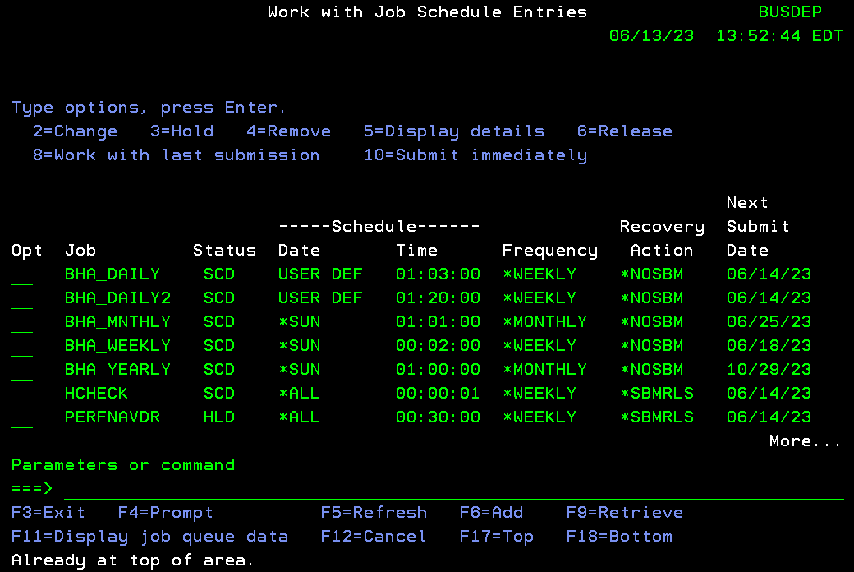

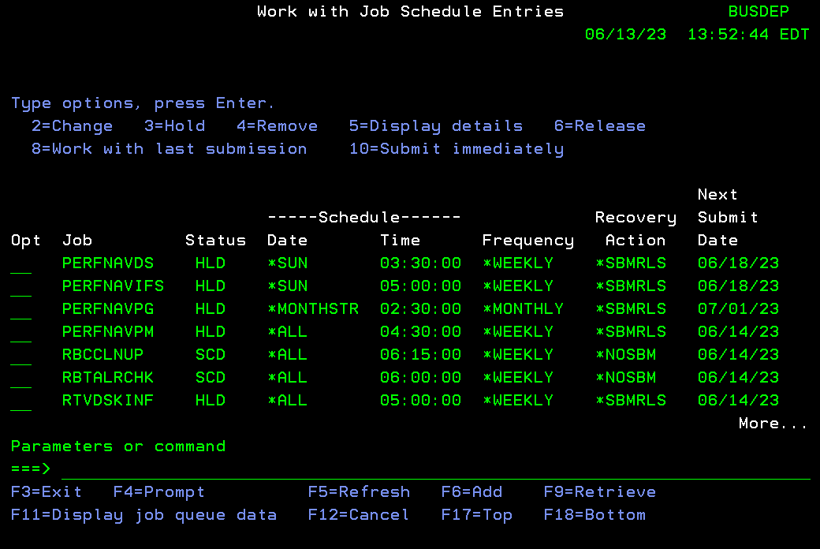

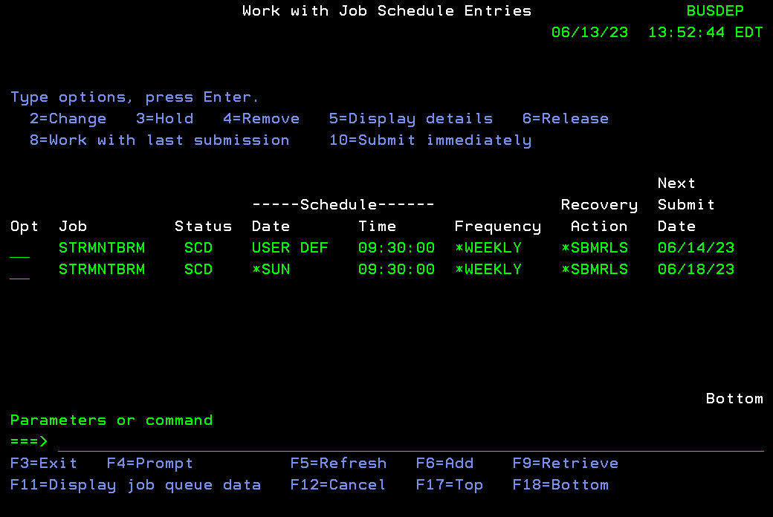

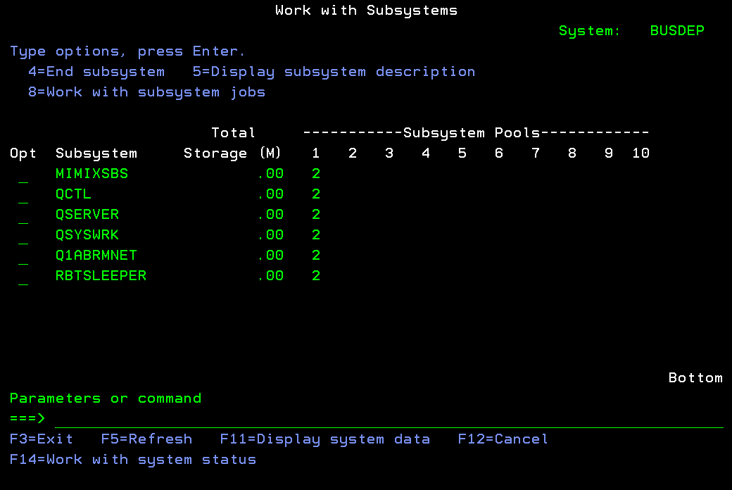
 |  |  |  |  | BUSDEP | Type WRKSBS and ensure that only the following subsystems are running.

 |  |  |  |  | BUSDEP | End AUD300DP job from QCTL before switch

P1 BUSDEPHA STARTUP
...
Step # | Start Date | Estimated Start Time | Estimated End Time | Duration | System | Activity | Status | Responsibility | Comments
 |  |  |  | 1 | BUSDEPHA | Comment out STRSBS QINTER command in ITTOOLS/STARTINTER file.
 |  |  |  | 1 | BUSDEPHA | Comment out STRSBS QPGMR command in ITTOOLS/STARTBATCH file.
 |  |  |  | 5 | BUSDEPHA | Change Or Confirm SMTP settings in Patrick Townsend, IMAIL and ROBOT Alert as follows:
 |  |  |  |  |  | PATRICK TOWNSEND FTP (ALLIANCE FTP MANAGER)
 |  |  |  |  |  | · ADDLIBLE ALLFTM100
 |  |  |  |  |  | · GO AMMAIN
 |  |  |  |  |  | · Option 31 Email menu
 |  |  |  |  |  | · Option 1 SNMP email menu
 |  |  |  |  |  | · Option 10 Application settings
 |  |  |  |  |  | · Change local host name to BUSDEPHA
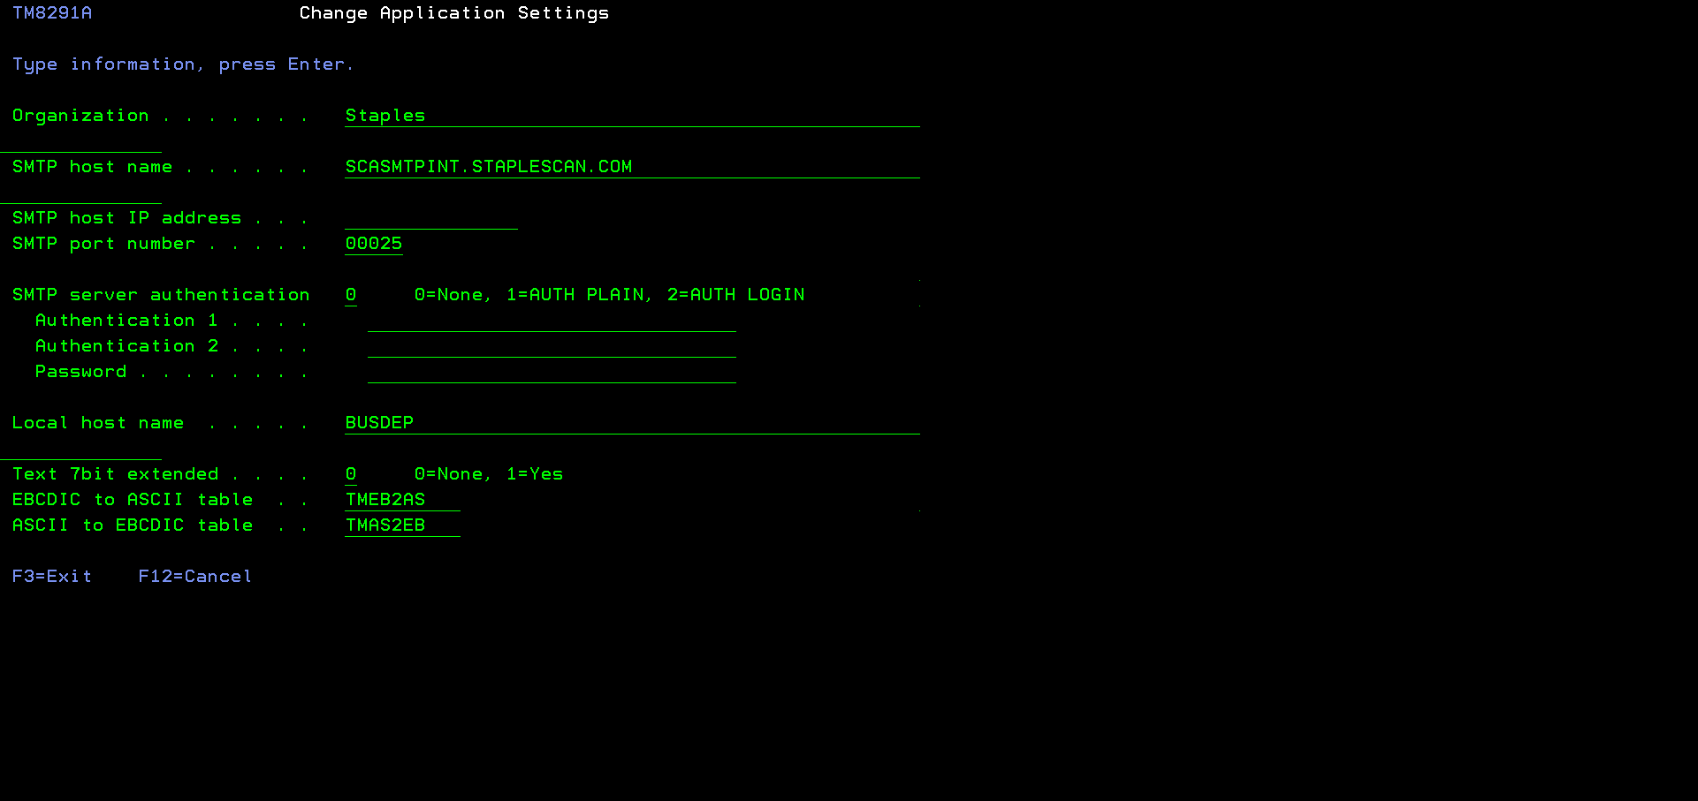
 |  |  |  |  |  |  | This value is replicated and BUSDEP needs to be changed to BUSDEPHA
 |  |  |  |  |  |  | Completed

 |  |  |  |  |  | IMAIL
 |  |  |  |  |  | · Addlible iMail
 |  |  |  |  |  | · Go IMAIL
 |  |  |  |  |  | · Option 1
 |  |  |  |  |  | · Change Domain Name to Staplescan.com
 |  |  |  |  |  | · Press F10 to save
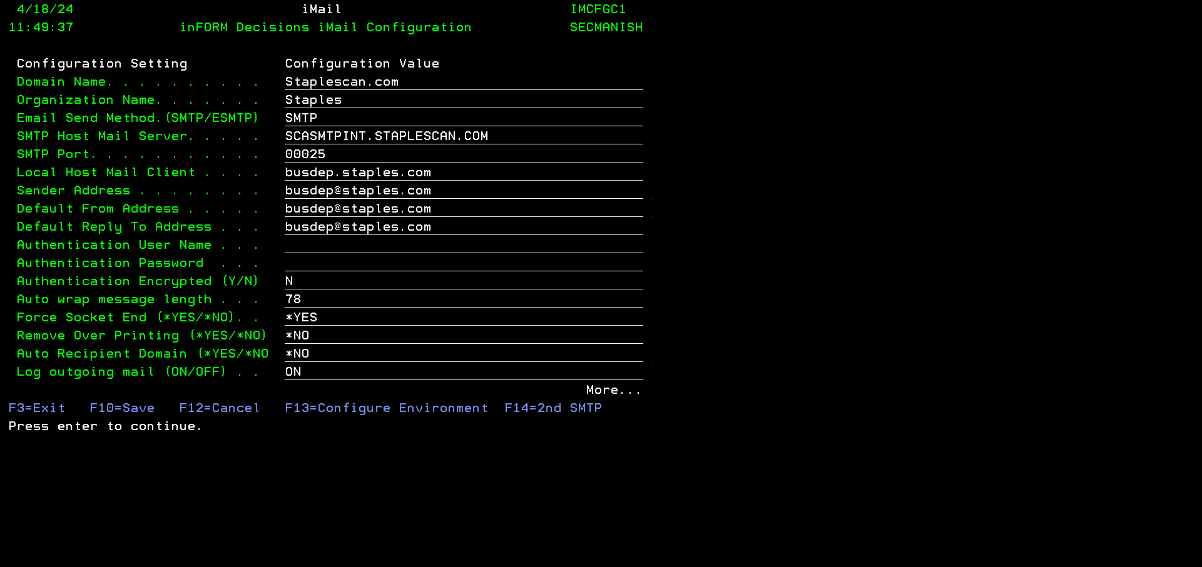
 |  |  |  |  |  |  | Completed. EMAIL test worked as is using BUSDEP name from HA box.

 |  |  |  |  |  |  | This might need to change to BUSDEPA for BUSDEP in Local Host and Email addresses
 |  |  |  |  |  |  | This might need to change to BUSDEPA for BUSDEP in Local Host and Email addresses
 |  |  |  |  |  |  | This might need to change to BUSDEPA for BUSDEP in Local Host and Email addresses
 |  |  |  |  |  |  | This might need to change to BUSDEPA for BUSDEP in Local Host and Email addresses

 |  |  |  |  |  | ROBOT ALERT
 |  |  |  |  |  | · ADDLIBLE ROBOTLIB
 |  |  |  |  |  | · ADDLIBLE RBTALRLIB
 |  |  |  |  |  | · ADDLIBLE RBTCONLIB
 |  |  |  |  |  | · Type RBO
 |  |  |  |  |  | · Take option 2 Robot Alert
 |  |  |  |  |  | · Take option 3 Directory Menu
 |  |  |  |  |  | · Take Option 1 Vendor Maintenance Menu
 |  |  |  |  |  | · Take Option 2 Maintain Existing Vendors
 |  |  |  |  |  | · Take Option 1 to Select SPLSEMAIL
 |  |  |  |  |  | · Change SMTP Host to SCASMTPINT.STAPLESCAN.COM
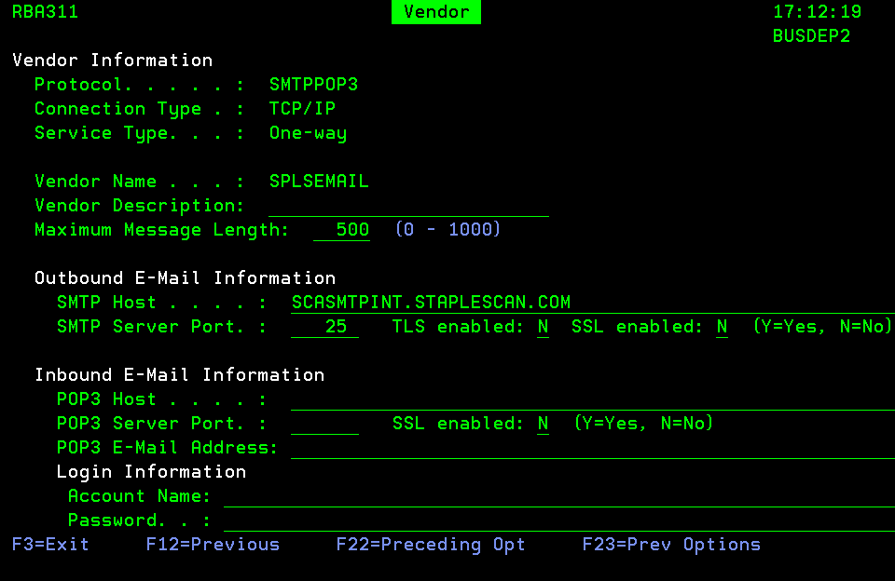
 |  |  |  |  |  |  | Completed

 |  |  |  | 10 | BUSDEPHA | Start system as follow:
 |  |  |  |  |  | · Sign on as QSECOFR.
 |  |  |  |  |  | · STRSBS QCTL (This should be running already). This will start QSYSWRK subsystem and will run STRTCP command | Already running
 |  |  |  |  |  | · STRSBS QSERVER | Already running
 |  |  |  |  |  | · STRSBS QUSRWRK | Already running
 |  |  |  |  |  | ADDLIBLE SECMANISH
 |  |  |  |  |  | Submit DRSTARTSYS as follows to start the system in a normal order. | CALL RBT103 was commented to not start RBT Scheduler in STRRBT cl.
 |  |  | 7.15 |  |  | SBMJOB CMD(CALL PGM(SECMANISH/DRSTARTSYS)) JOB(DRSTARTSYS) JOBQ(QCTL) LOGCLPGM(*YES) HOLD(*YES) JOBD(QGPL/QDFTJOBD) USER(MISOPR) | STRSBS RBTSLEEPER sbs will start all robot products accept Robot scheduler
 |  |  |  |  |  | if ready to START SYSTEM, release this job from QCTL jobq
 |  |  |  | 1 | BUSDEPHA | Type WRKSBS and verify that the following subsystems are running except QINTER and QPGMR subsystems from the list below.
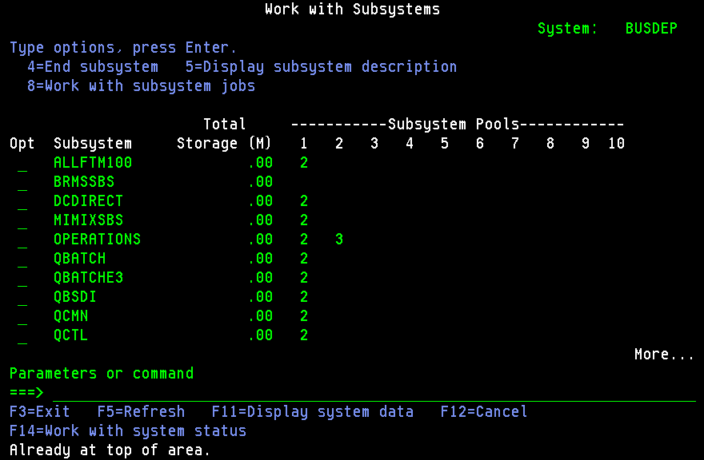

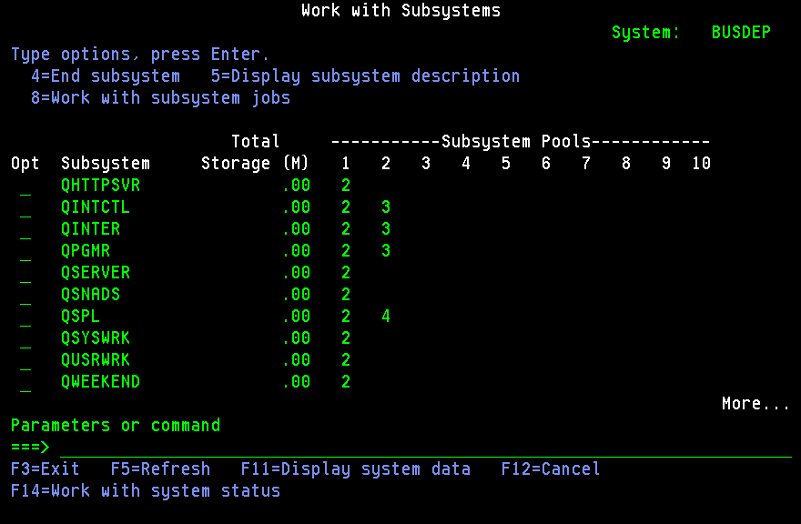

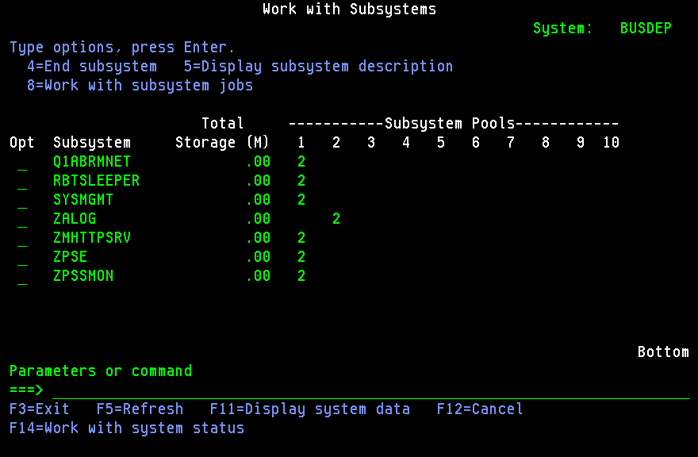

 |  |  |  | 1 | BUSDEPHA | Type WRKACTJOB SBS(QHTTPSVR) and verify that the following HTTP and IWS jobs are running. These are needed for IBM Web services.
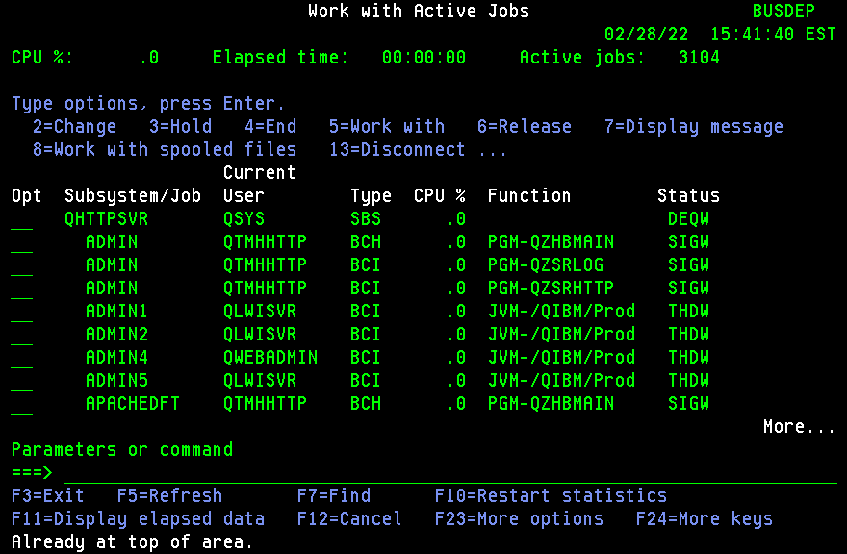

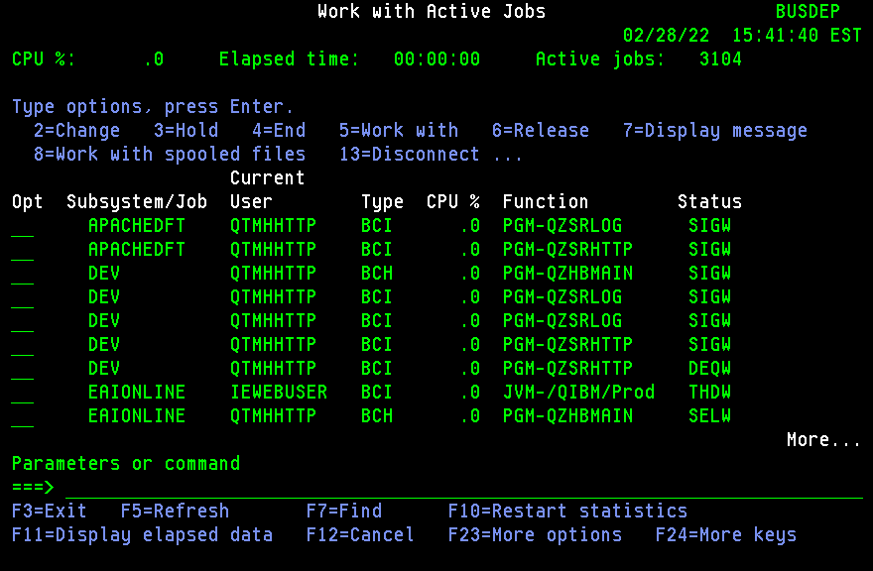

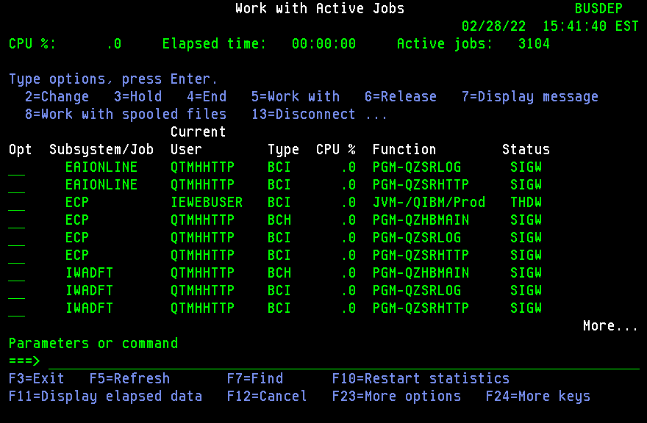

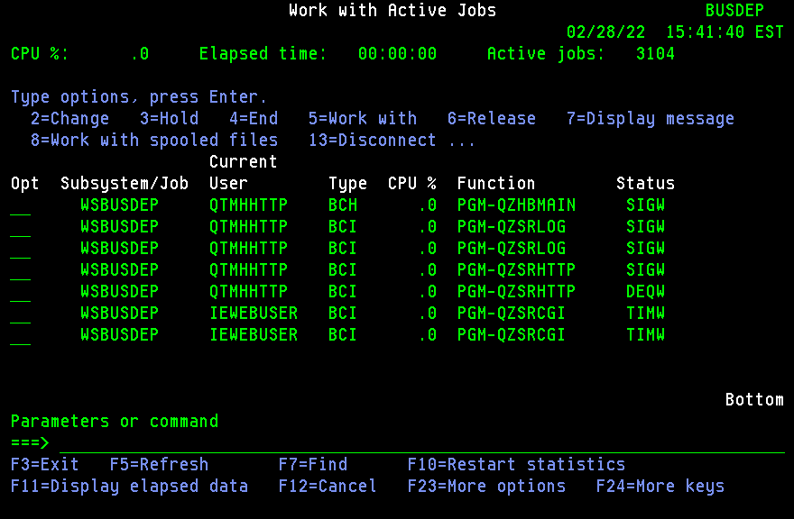

 |  |  |  | 1 | BUSDEPHA | Type WRKACTJOB SBS(QCMN) and verify that the E3COMSERV job is running. These are needed for E3 AWR and ASR application.


 |  |  |  | 1 | BUSDEPHA | Type WRKACTJOB SBS(QUSRWRK) and verify that the M3005 and D3005 jobs are running. These are used by IMPLEMENTER receiver.
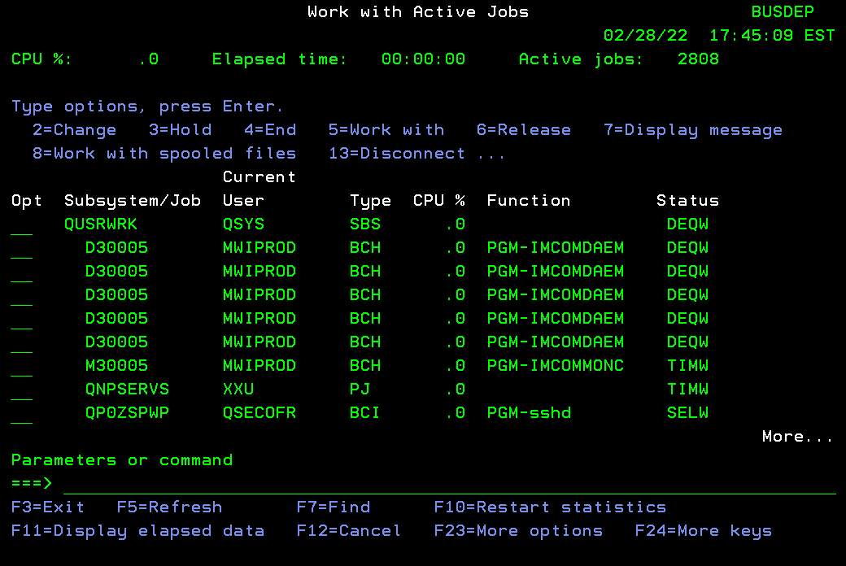

 |  |  |  | 1 | BUSDEPHA | Type WRKACTJOB SBS(ZMHTTPSRV) and verify that the AS2 jobs are running. These are needed by AS2 application.
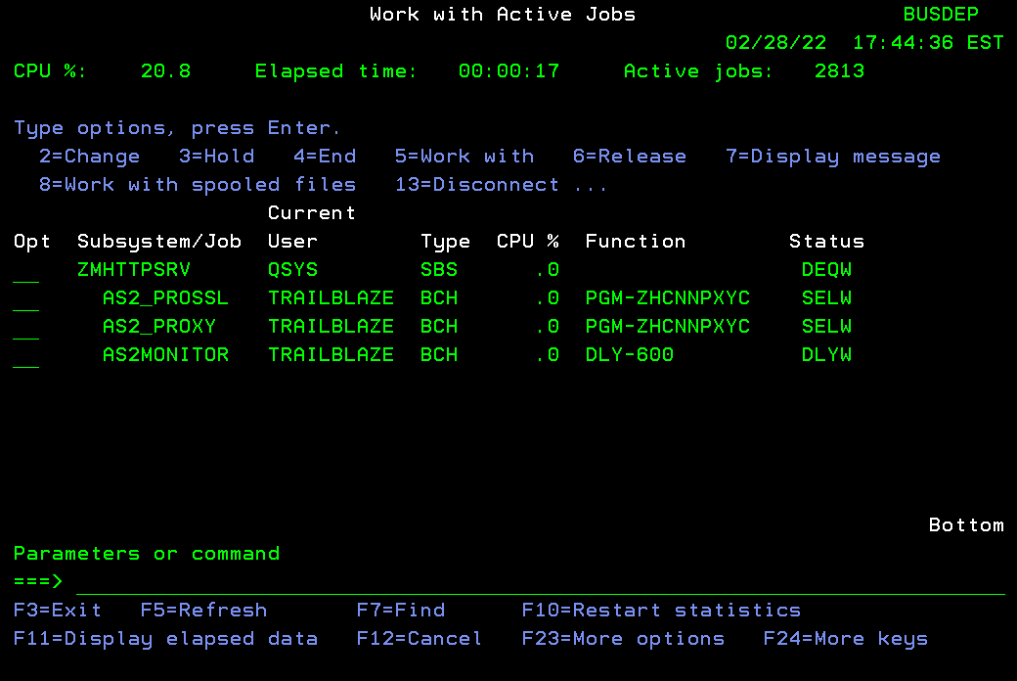

 |  |  |  | 1 | BUSDEPHA | Type WRKACTJOB and verify that below jobs are running in ZPSE, ZPSSMON and ZALOG subsystems. These are needed by NetIQ Security application.
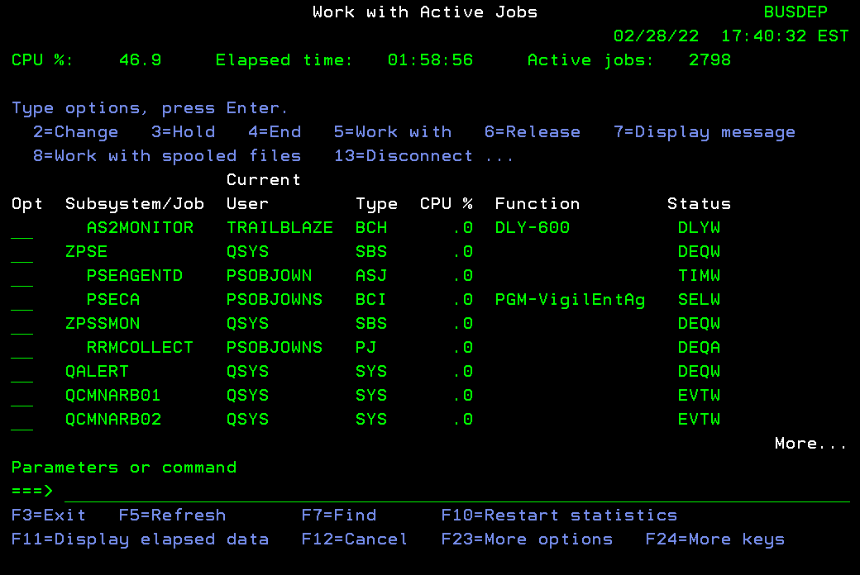

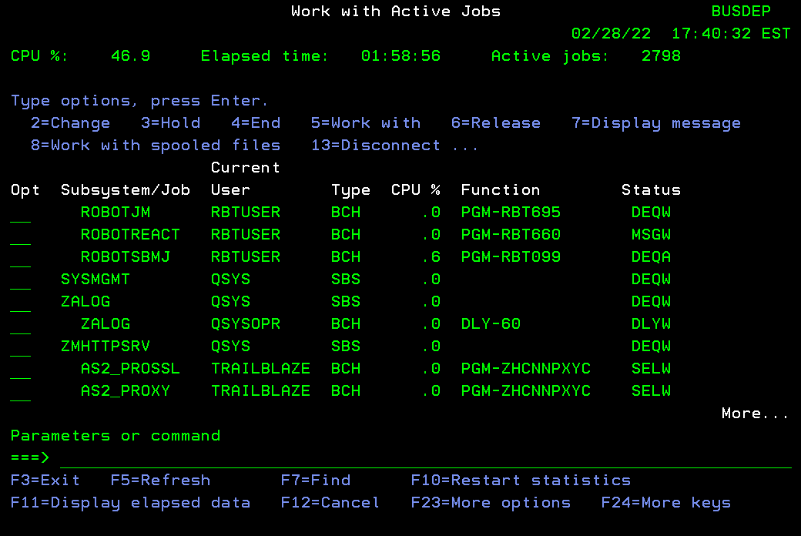

 |  |  |  |  |  |  | AS2 Proxi job did not start and had to DO on AS2RESETDP job from Robot

 |  |  |  | 1 | BUSDEPHA | Type WRKACTJOB SBS(RBTSLEEPER) and verify that below jobs are running These are needed by ROBOT products.
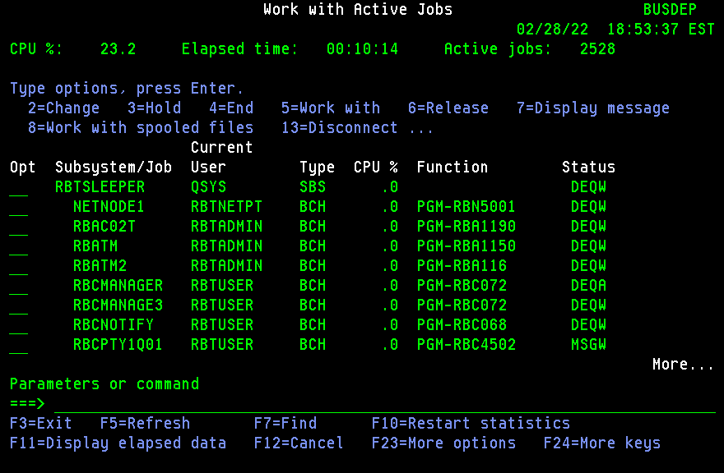

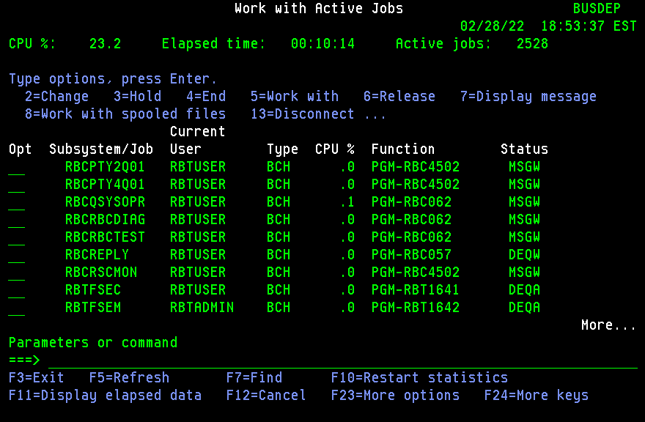

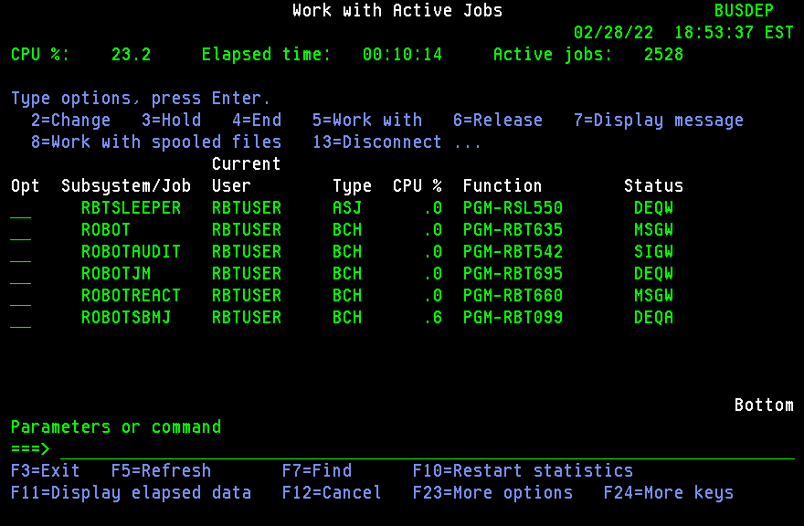

 |  |  |  | 1 | BUSDEPHA | Type WRKACTJOB SBS(ALFTM100) and verify that below jobs are running These are needed by Patrick Townsend FTP product.
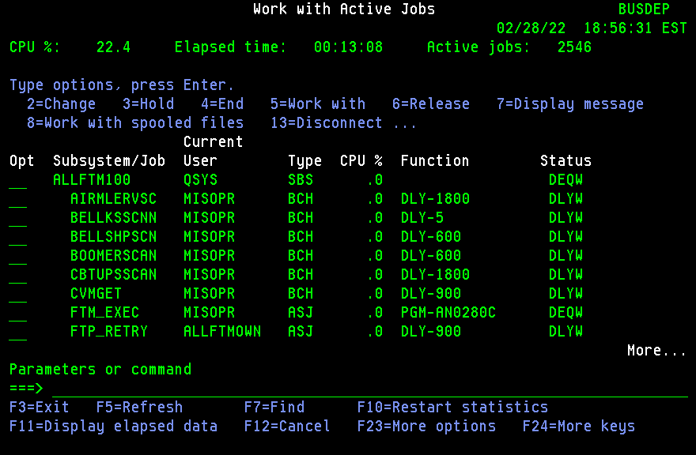

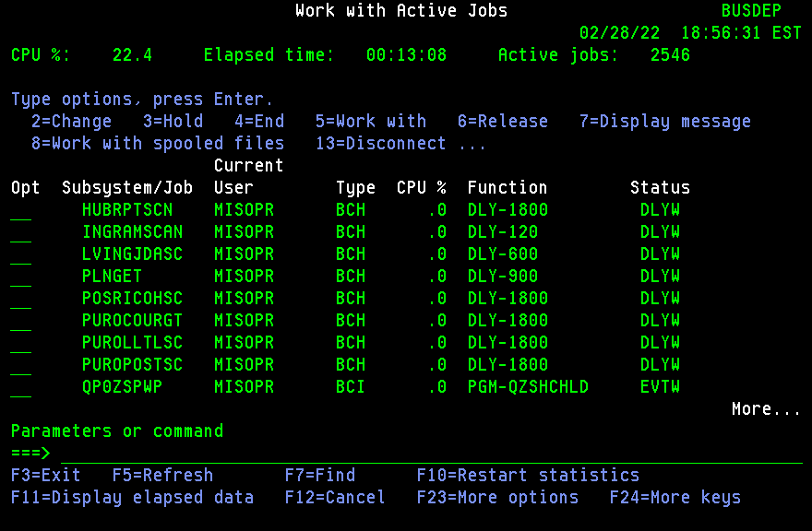

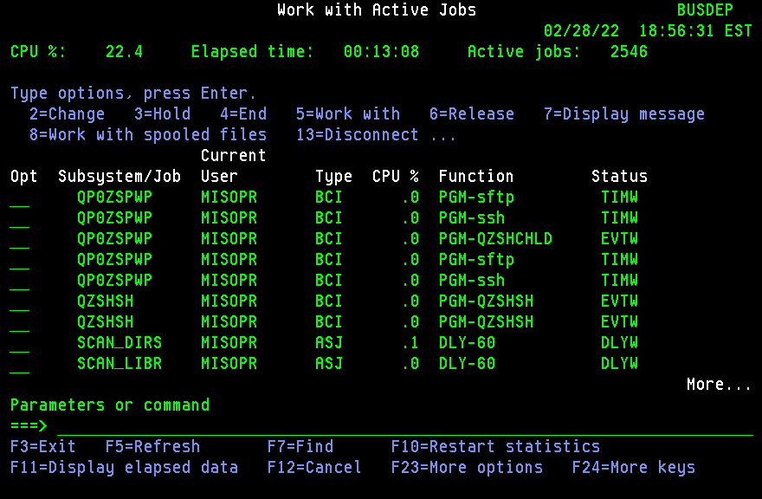

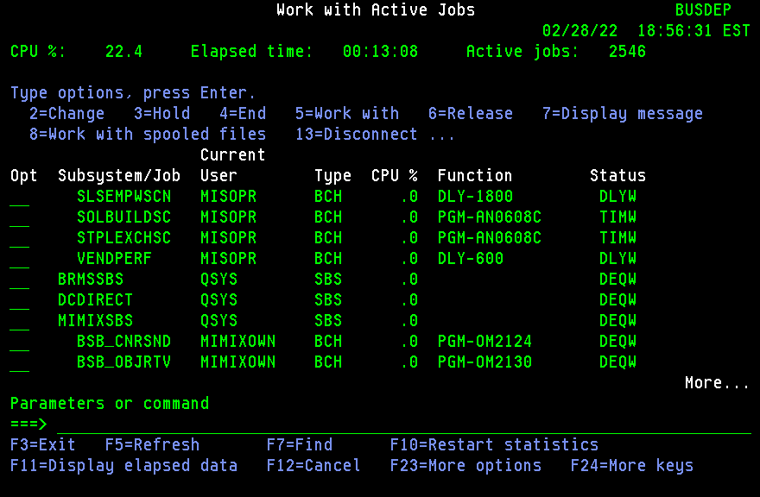

 |  |  |  | 1 | BUSDEPHA | Type CFGTCP and take option 1 to verify that the following interfaces are active.
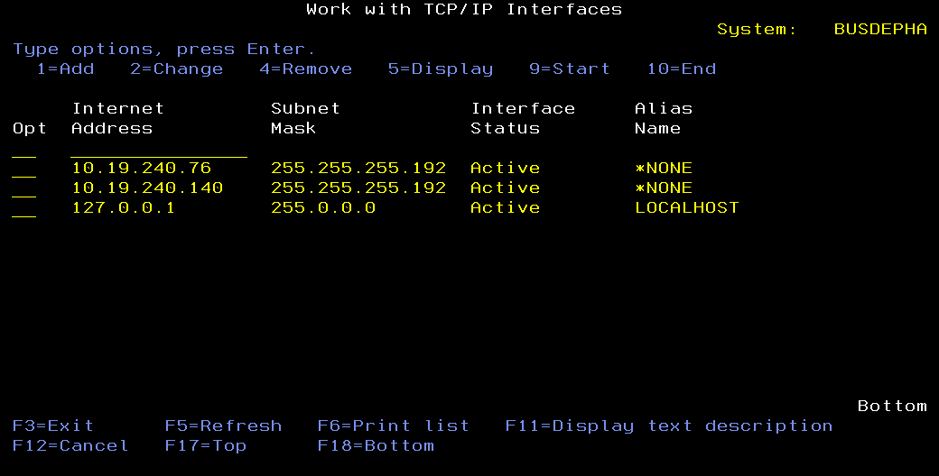
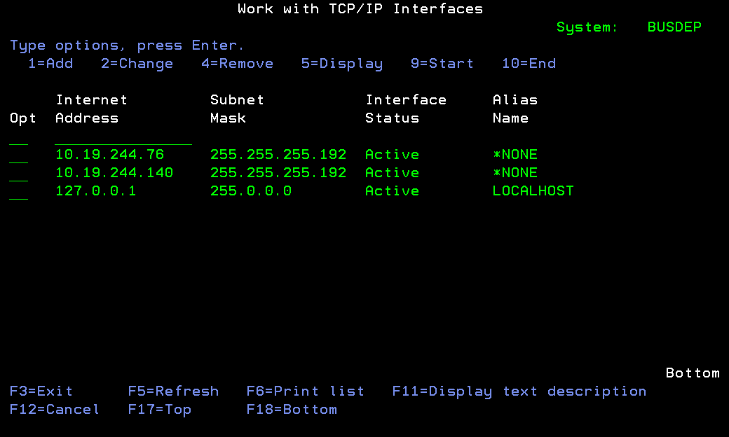

 |  |  |  | 1 | BUSDEPHA | Release all the Store Printer Output queues ( Pnnnnnnn )
 |  |  |  | 1 | BUSDEPHA | Add supplememtal groups PROD and EMGPRO to developers id so they can do validations
 |  |  |  | 1 | MIDRANGE | Ensure that enough tapes are loaded in MARKHAM LOCATION TAPE library that can accommodate daily and weekly backups from BUSDEPHA
 |  |  |  | 5 | BUSDEPHA | Hold jobs from WRKJOBSCDE as follows as backups and BRMS jobs runs from Robot on BUSDEPHA in DR mode.
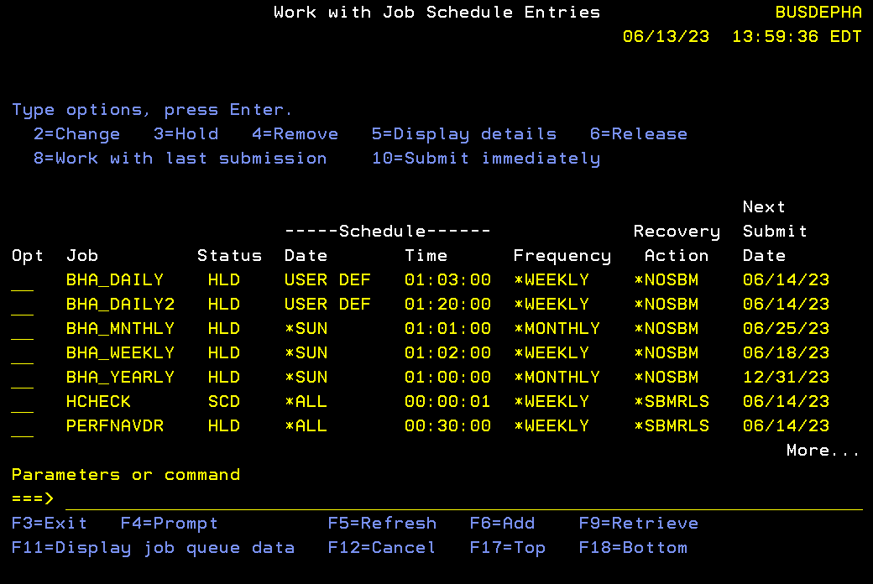
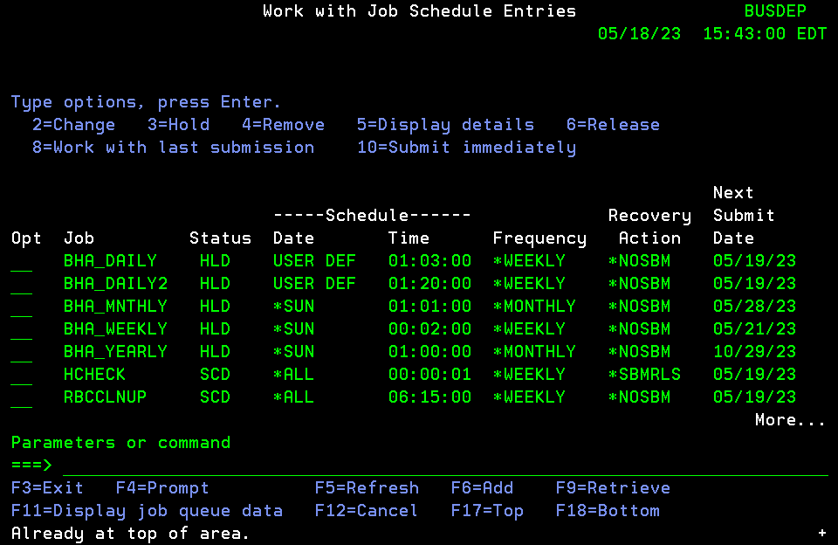

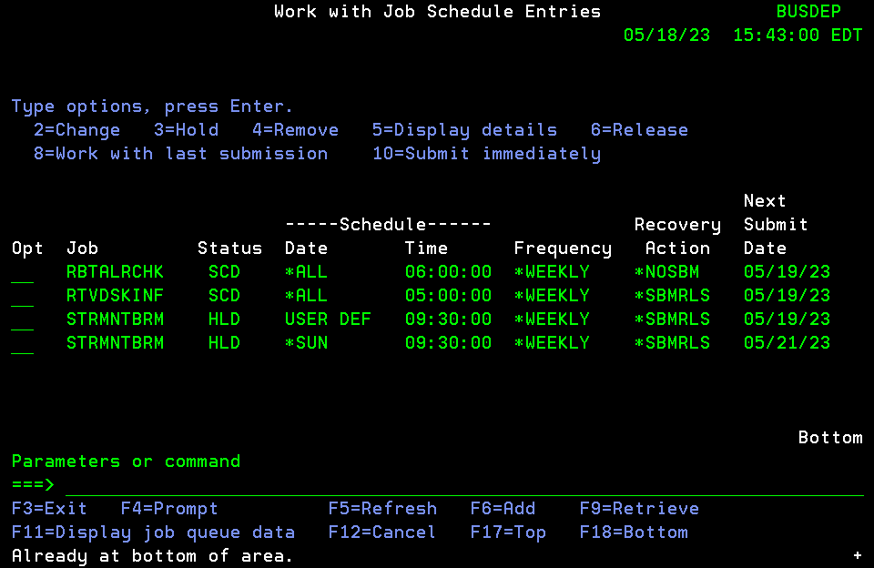
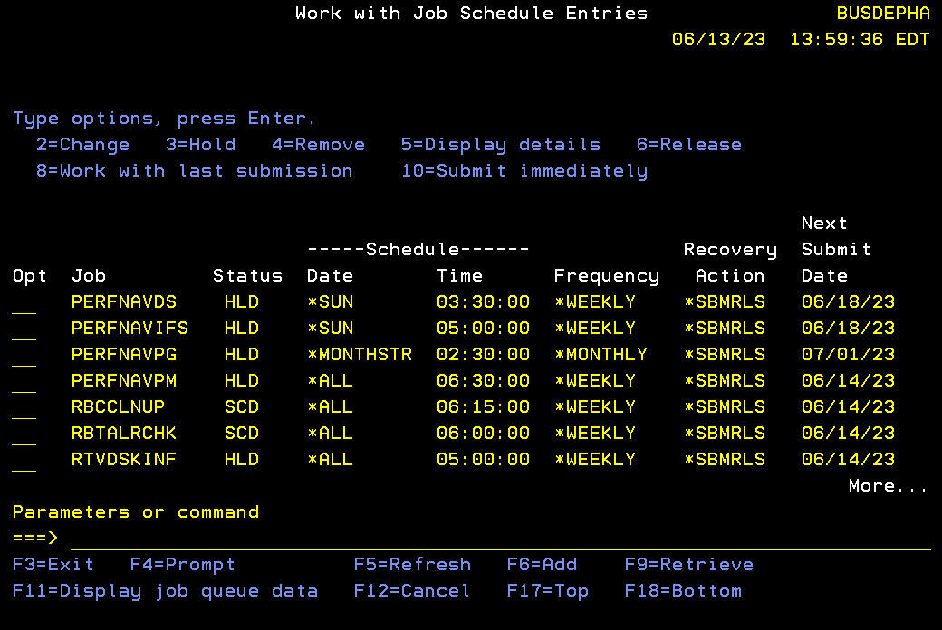

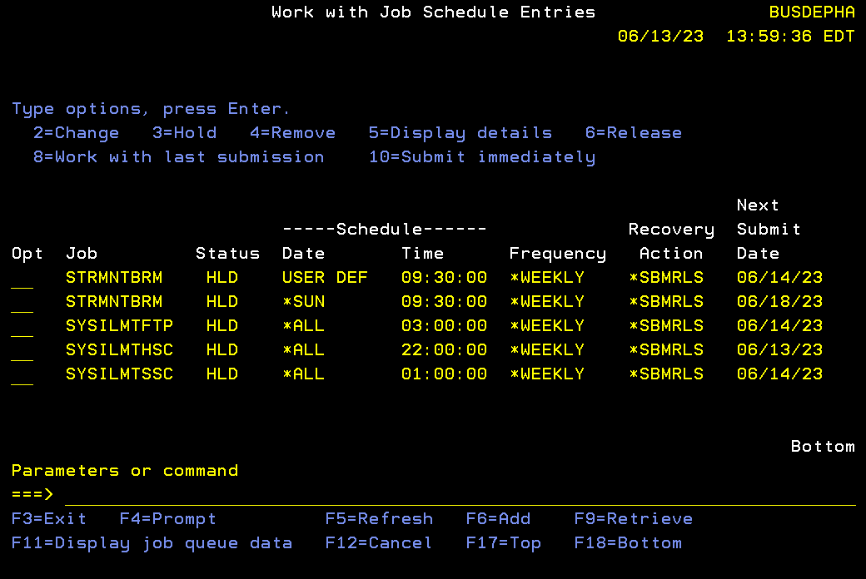

 |  | Total |  | 66 | MIN

P3 PREPERATION FOR SWITCHBACK
...
BUSDEPHA | Capture all IBM WRKJOBSCDE Entries that on SCD

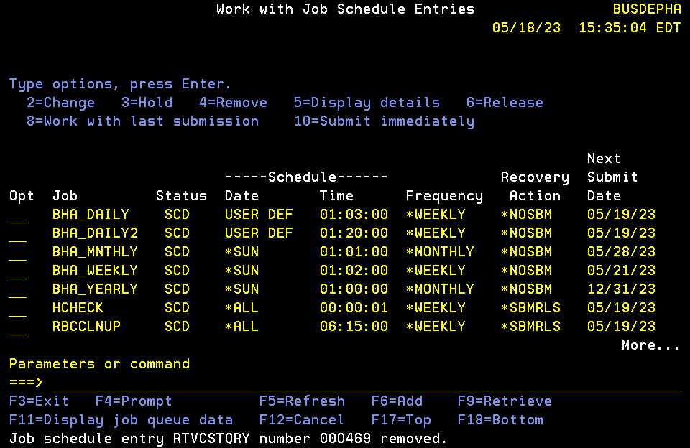 | 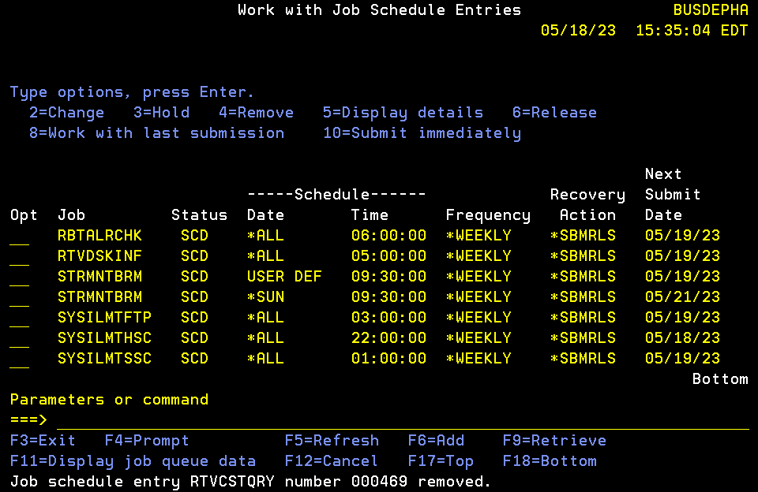
BUSDEPHA | On BUSDEPHA, Run a query SECMANISH/SUNJOBS using WRKQRY to create a SECMANISH/SUNJOBS file to list all Sunday jobs
 | Download SUNJOBS file in SUNJOB_LATEST tab and sort by Sched_Run_time_1
 | Copy 4am to 10AM jobs from SUNJOB_LATEST tab to tab Vlookup ( in Red )
 | Copy 4am to 10AM jobs from ALL SUNDAY JOBS NEW to tab vlookup ( in Blue)
 | Find the new added jobs using vlookup in green, =N/A jobs in Vlookup tab here ( in Green )
 | Copy these new jobs from SUNJOB_LATEST to ALL_SUNDAY JOBS NEW to proper row loacation ( in Red )
 | Decide on action to take on new added jobs via DO or Skip, talk to Nasser and Stanley for action
 | Copy these final list of 4 am to 10am jobs with action column to DOJOBS UPLOAD
 | Upload DOJOBS UPLOAD to BUSDEP in DOJOBS file
 | These MISSED jobs to be run ON HA after switch since they were mised on BUSDEP between 4am to 10 AM while switching the role.
...

P3 BUSDEPHA SHUTDOWN SWITCHBACK
...
BUSDEPHA | Type WRKSBS and ensure that only the following subsystems are running.
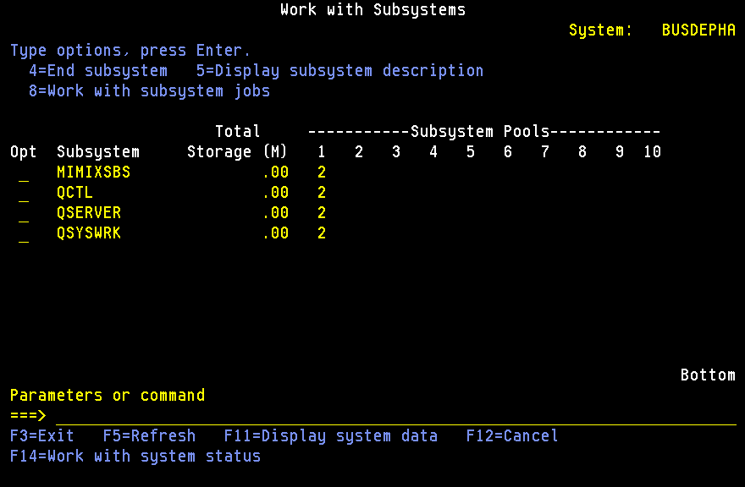

 | RBTSLEEPER sbs is down due to MIMIX replicaiton tasks.Only RBT Alert and Console can be up
BUSDEPHA | End AUD300DP job from QCTL before switch

P3 BUSDEP SHUTDOWN SWITCHBACK
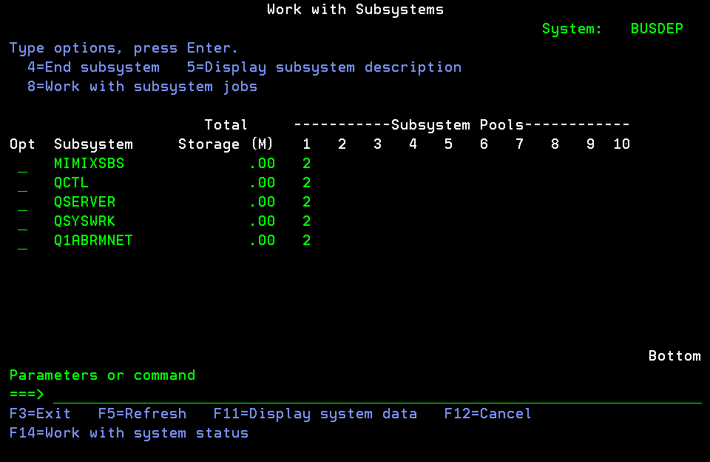
...
Step # | Start Date | Estimated Start Time | Estimated End Time | Duration | System | Activity | Status | Responsibility | Comments
 |  |  |  |  | BUSDEP | Type HLDJOBSCDE JOB(*ALL) to hold all job schedule entries from native job scheduler.
 |  |  |  |  | BUSDEP | Type WRKJOBQ and ensure that no jobs are waiting to be run from all job queues.
 |  |  |  |  | BUSDEP | Type WRKACTJOB to check if no jobs are running in the following batch subsystems: BRMSSBS, DCDIRECT, OPERATIONS, QBATCH, QBATCHE3, QBSDI, QWEEKEND, SYSMGMT
 |  |  |  |  | BUSDEP | ADDLIBLE SECMANISH
 |  |  |  |  | BUSDEP | Submit DRSHUTDOWN as follows to shutdown the system in a normal order.
 |  |  |  |  | BUSDEP | SBMJOB CMD(CALL PGM(SECMANISH/DRSHUTDOWN)) JOB(DRSHUTDOWN) JOBQ(QCTL) LOGCLPGM(*YES) HOLD(*YES)
 |  |  |  |  |  | if ready to SHUTDOWN, release this job from QCTL jobq
 |  |  |  |  | BUSDEP | Type WRKSBS and ensure that only the following subsystems are running. MIMIXSBS, QCTL, QSERVER, QSYSWRK
 |  |  |  |  | BUSDEP | Type ENDTCPIFC INTNETADR('10.19.244.76') to end the user connection TCP interface. This is to ensure that no users can sign on to BUSDEP using BUSDEP DNS name and to prevent any FTPs in and out of the box. |  |  | User ip
 |  |  |  |  | BUSDEP | Ensure that only below SBS running

